Cover Page
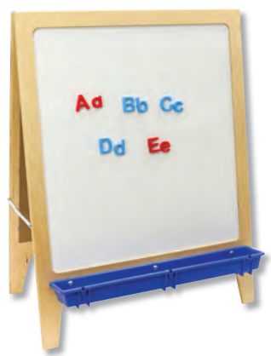
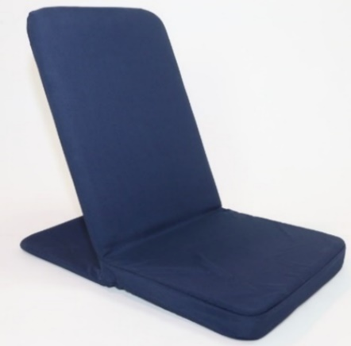
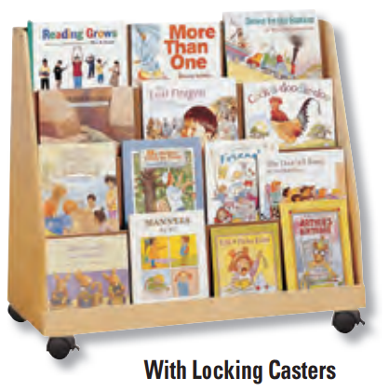
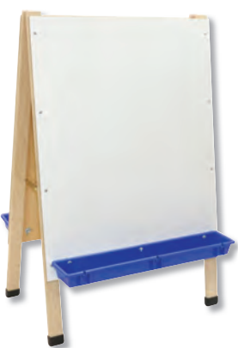
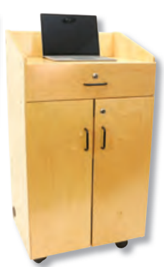



Childcraft® MSRP Price List
Effective January 1, 2025

Carpets
Childcraft® Carpets
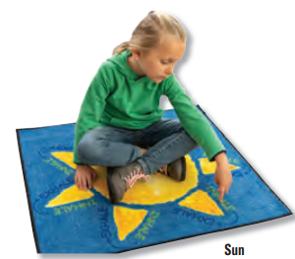

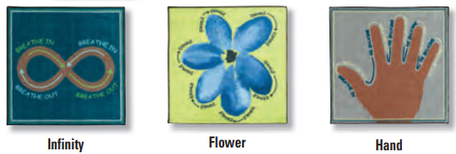

Childcraft® ABC® Furnishings - Breathe with Me Washable Carpet Squares
SSL # | Description | Size (W x D) | MSRP
2040791 | Washable Carpet Squares 30 x 30 Inches - Set of 4 | 30 x 30 | $550.74
5004127 | Washable Carpet Squares 30 x 30 Inches | 30 x 30 | $166.79

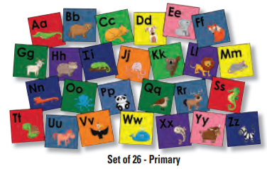
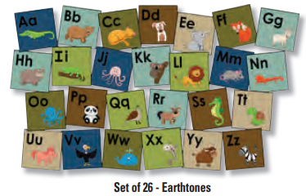
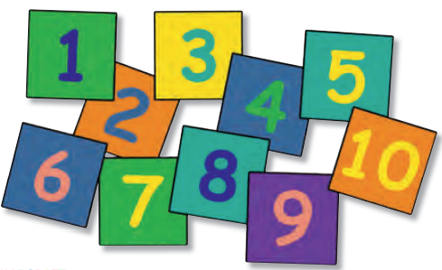

Childcraft® ABC® Furnishings - Washable Carpet Squares
SSL # | Description | Size (W x D) | MSRP
5004128 | Alphabet Friends Seating Squares - Set of 26 - Specify Primary or Earthtones | 15 x 15 | $662.03
2040793 | Numbers Washable 15 in Squares - Set of 10 - Primary | 15 x 15 | $280.86

CARPETS - CONTINUED

Childcraft® ABC® Furnishings - Printed Essential Collection
SSL # | Description | Size (W x D) | MSRP
5011674 | Colorful Blocks - Rectangle | 6 ft x 9 ft | $865.13
5011675 | Colorful Blocks - Rectangle | 8 ft x 12 ft | $1,463.32
5011672 | United States Capital Map - Rectangle | 6 ft x 9 ft | $865.13
5011673 | United States Capital Map - Rectangle | 8 ft x 12 ft | $1,463.32
5011671 | Learning A-Z - Rectangle | 6 ft x 9 ft | $865.13
5011670 | Learning A-Z - Rectangle | 8 ft x 12 ft | $1,463.32
5011661 | Colorful Confetti - Rectangle | 6 ft x 9 ft | $865.13
5011662 | Colorful Confetti - Rectangle | 8 ft x 12 ft | $1,463.32
5011680 | All Over Rainbows - Rectangle | 6 ft x 9 ft | $865.13
5011681 | All Over Rainbows - Rectangle | 8 ft x 12 ft | $1,463.32
5011676 | Ombre Stripe - Rectangle | 6 ft x 9 ft | $865.13
5011677 | Ombre Stripe - Rectangle | 8 ft x 12 ft | $1,463.32
5011679 | Rainbow Alphabet - Rectangle | 6 ft x 9 ft | $865.13
5011678 | Rainbow Alphabet - Rectangle | 8 ft x 12 ft | $1,463.32
5009859 | Calming Leaves - Rectangle | 6 ft x 9 ft | $865.13
5009858 | Calming Leaves - Rectangle | 8 ft x 12 ft | $1,463.32
5013263 | Emoji Spots - Rectangle | 6 ft x 9 ft | $865.13
5013264 | Emoji Spots - Rectangle | 8 ft x 12 ft | $1,463.32
5013268 | Rainbow-Colored Clouds - Rectangle | 6 ft x 9 ft | $865.13
5013269 | Rainbow-Colored Clouds - Rectangle | 8 ft x 12 ft | $1,463.32
5013261 | Steam Gears - Rectangle | 6 ft x 9 ft | $865.13
5013262 | Steam Gears - Rectangle | 8 ft x 12 ft | $1,463.32

CARPETS - CONTINUED

Childcraft® ABC® Furnishings - 10-Frame Carpet & Carpet Rounds
SSL # | Description | Size (W x D) | MSRP
1531024 | ABC 10-Frame Carpet | 6 ft x 9 ft | $865.13
1542288 | Carpet Rounds 10 Frame Carpet Kit - Set of 20 | 12 in diameter | $408.84

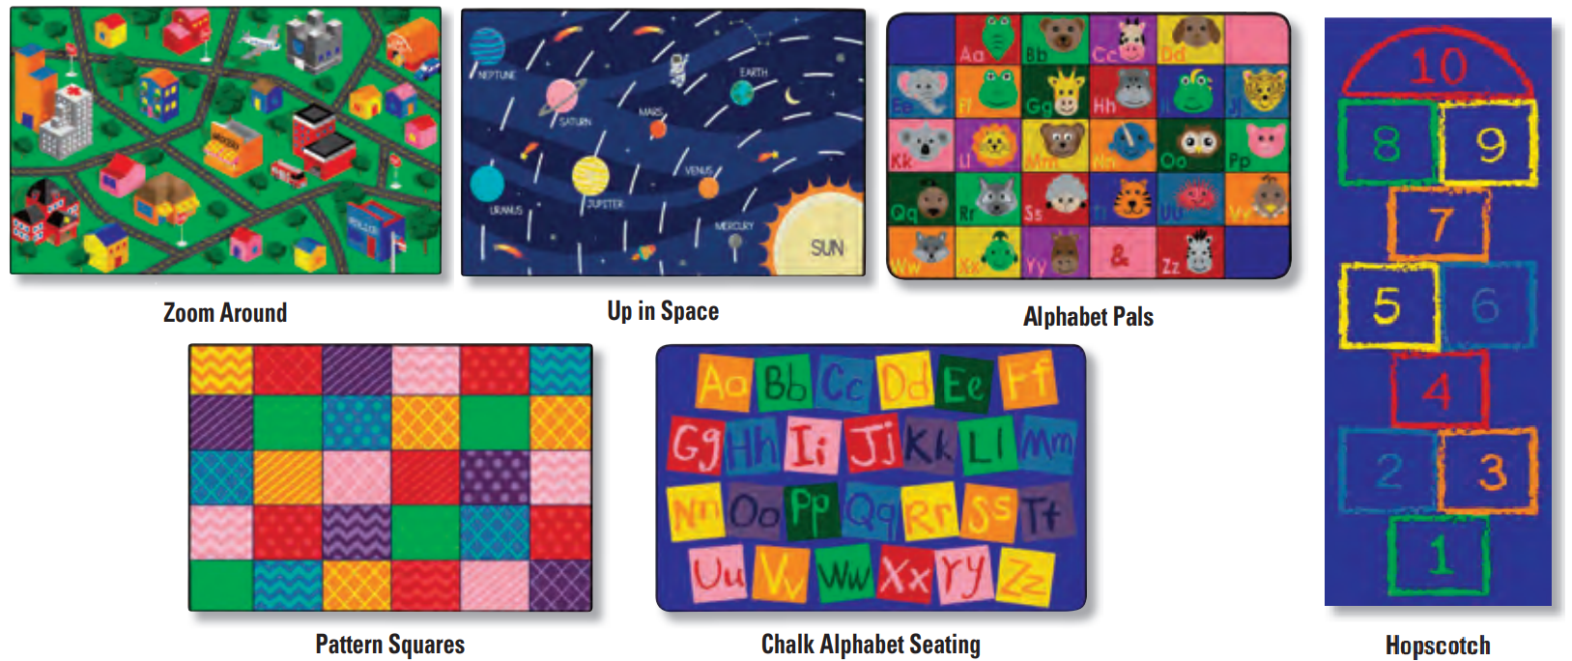

Childcraft® ABC® Furnishings - Washable Collection
SSL # | Description | Size (W x D) | MSRP
5011795 | ABC Furnishings Zoom Around Town - Rectangle | 4 ft x 6 ft | $400.50
5011794 | ABC Furnishings Zoom Around Town - Rectangle | 5 ft x 8 ft | $662.03
5011791 | ABC Furnishings Up In Space - Rectangle | 4 ft x 6 ft | $400.50
5011790 | ABC Furnishings Up In Space - Rectangle | 5 ft x 8 ft | $662.03
5011793 | ABC Furnishings Alphabet Pals - Rectrangle | 4 ft x 6 ft | $400.50
5011792 | ABC Furnishings Alphabet Pals - Rectrangle | 5 ft x 8 ft | $662.03
5011788 | Pattern Squares - Rectangle | 4 ft x 6 ft | $400.50
5011789 | Pattern Squares - Rectangle | 5 ft x 8 ft | $662.03
5011796 | Chalk Alphabet Seating - Rectangle | 4 ft x 6 ft | $400.50
5011797 | Chalk Alphabet Seating - Rectangle | 5 ft x 8 ft | $662.03
2009396 | Hopscotch Carpet - Rectangle | 2 ft 6 in x 7 ft | $133.40

CARPETS - CONTINUED

Childcraft® Seating Carpets
SSL # | Description | Size (W x D) | MSRP
5011744 | Everyones A Star - Rectangle - Seats 20 | 6 ft x 9 ft | $1,207.35
5011743 | Everyones A Star - Rectangle - Seats 24 | 8 ft x 12 ft | $1,730.42
5011742 | Everyones A Star - Rectangle - Seats 30 | 10 ft 6 in x 13 ft 2 in | $2,378.68
5003041 | Rainbow-Colored Squares - Rectangle - Seats 20 | 6 ft x 9 ft | $1,207.35
5003035 | Rainbow-Colored Squares Rectangle - Seats 24 | 8 ft x 12 ft | $1,730.42
5003039 | Rainbow-Colored Squares - Rectangle - Seats 30 | 10 ft 6 in x 13 ft 2in | $2,378.68
5000243 | Alphabet Squares - Rectangle - Seats 20 | 6 ft x 9 ft | $1,207.35
5000242 | Alphabet Squares - Rectangle - Seats 24 | 8 ft x 12 ft | $1,730.42
5000245 | Alphabet Squares - Rectangle - Seats 30 | 10 ft 6 in x 13 ft 2in | $2,378.68
5011705 | Rainbow Squares - Rectangle - Seats 20 | 6 ft x 9 ft | $1,207.35
5011706 | Rainbow Squares - Rectangle - Seats 24 | 8 ft x 12 ft | $1,730.42
5011704 | Rainbow Squares - Rectangle - Seats 30 | 10 ft 6 in x 13 ft 2 in | $2,378.68
5000251 | Chalk Spots Seating - Rectangle - Seats 20 | 6 ft x 9 ft | $1,207.35
5000252 | Chalk Spots Seating - Rectangle - Seats 24 | 8 ft x 12 ft | $1,730.42
5000250 | Chalk Spots Seating - Rectangle - Seats 30 | 10 ft 6 in x 13 ft 2in | $2,378.68
5003038 | Chalk Spots Seating Rings - Rectangle - Seats 20 | 6 ft x 9 ft | $1,207.35
5003034 | Chalk Spots Seating Rings - Rectangle - Seats 24 | 8 ft x 12 ft | $1,730.42
5003036 | Chalk Spots Seating Rings - Rectangle - Seats 30 | 10 ft 6 in x 13 ft 2in | $2,378.68
5000268 | Colorful Circles - Rectangle - Seats 20 | 6 ft x 9 ft | $1,207.35
5000269 | Colorful Circles - Rectangle - Seats 24 | 8 ft x 12 ft | $1,730.42
5000272 | Colorful Circles - Rectangle - Seats 30 | 10 ft 6 in x 13 ft 2in | $2,378.68
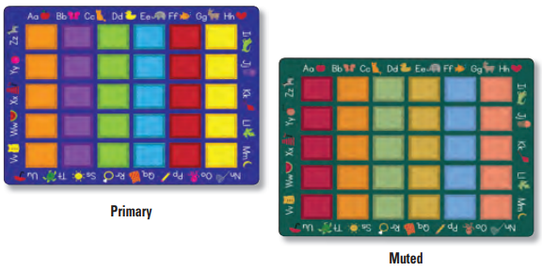
CARPETS - CONTINUED

Childcraft® Colorful Squares Carpet
SSL # | Description | Size (W x D) | MSRP
5011256 | Colorful Squares - Rectangle | 6 ft x 9 ft | $1,207.35
5011255 | Colorful Squares - Rectangle | 8 ft x 12 ft | $1,730.42
5011257 | Colorful Squares - Rectangle | 10 ft 6 in x 13 ft 2in | $2,378.68
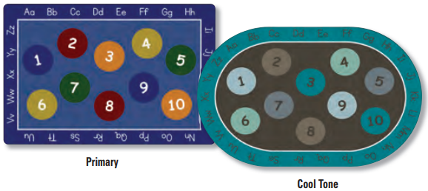

Childcraft® Numbers and Alphabet Carpet
SSL # | Description | Size (W x D) | MSRP
5011203 | Numbers And Alphabet - Rectangle | 6 ft x 9 ft | $1,207.35
5011201 | Numbers And Alphabet - Rectangle | 8 ft x 12 ft | $1,730.42
5011202 | Numbers And Alphabet - Rectangle | 10 ft 6 in x 13 ft 2in | $2,378.68
5011200 | Numbers And Alphabet - Oval | 6 ft x 9 ft | $1,207.35
5011199 | Numbers And Alphabet - Oval | 8 ft x 12 ft | $1,730.42
5011198 | Numbers And Alphabet - Oval | 10 ft 6 in x 13 ft 2in | $2,378.68
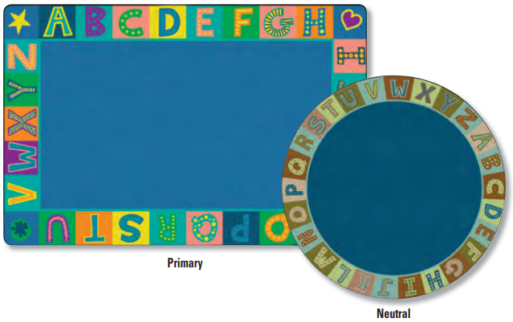

Childcraft® Alphabet Blocks Border Carpet
SSL # | Description | Size (W x D) | MSRP
5009040 | Alphabet Blocks Border - Rectangle | 6 ft x 9 ft | $1,207.35
5009036 | Alphabet Blocks Border - Rectangle | 8 ft x 12 ft | $1,730.42
5009023 | Alphabet Blocks Border - Rectangle | 10 ft 6 in x 13 ft 2 in | $2,378.68
5009027 | Alphabet Blocks Border - Round | 6 ft dia | $751.06
5009025 | Alphabet Blocks Border - Round | 12 ft dia | $2,387.03
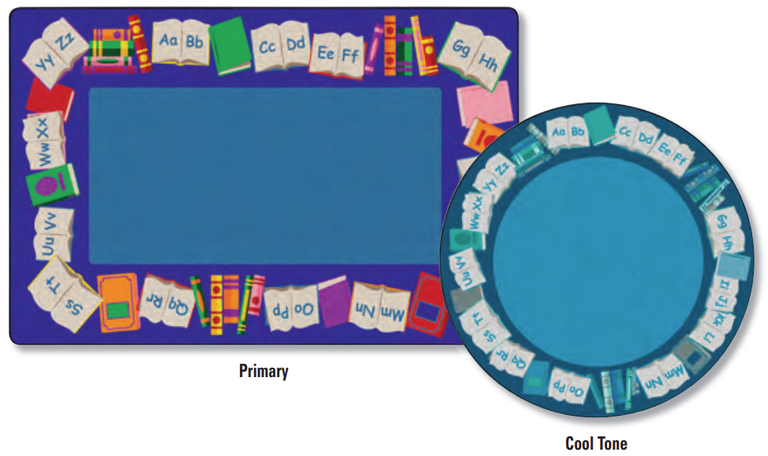
CARPETS - CONTINUED

Childcraft® Alphabet Book Border Carpet
SSL # | Description | Size (W x D) | MSRP
5004706 | Alphabet Book Border - Rectangle | 4 ft x 6 ft | $611.95
5004703 | Alphabet Book Border - Rectangle | 6 ft x 9 ft | $1,207.35
5004704 | Alphabet Book Border - Rectangle | 8 ft x 12 ft | $1,730.42
5004702 | Alphabet Book Border - Rectangle | 10 ft 6 in x 13 ft 2in | $2,378.68
5004701 | Alphabet Book Border - Round | 6 ft diameter | $751.06
5004700 | Alphabet Book Border - Round | 8 ft diameter | $1,207.35
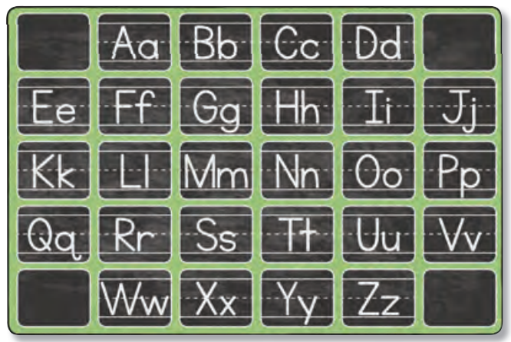

Childcraft® ABC Blocks Carpet
SSL # | Description | Size (W x D) | MSRP
5011718 | ABC Blocks - Rectangle | 6 ft x 9 ft | $1,207.35
5011720 | ABC Blocks - Rectangle | 8 ft x 12 ft | $1,730.42
5011719 | ABC Blocks - Rectangle | 10 ft 6 in x 13 ft 2 in | $2,378.68
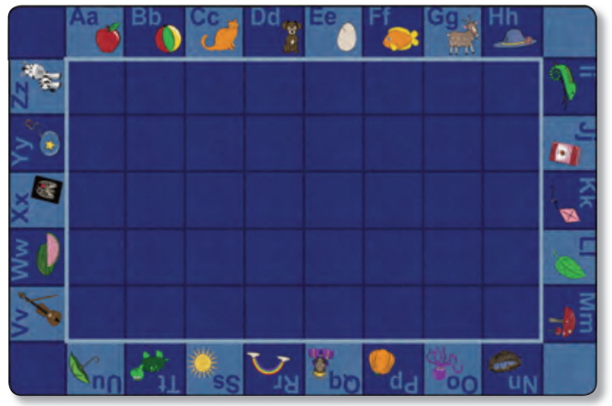

Childcraft® Alphabet Fun Carpet
SSL # | Description | Size (W x D) | MSRP
5011697 | Alphabet Fun - Rectangle | 6 ft x 9 ft | $1,207.35
5011698 | Alphabet Fun - Rectangle | 8 ft x 12 ft | $1,730.42
5011699 | Alphabet Fun - Rectangle | 10 ft 6 in x 13 ft 2 in | $2,378.68
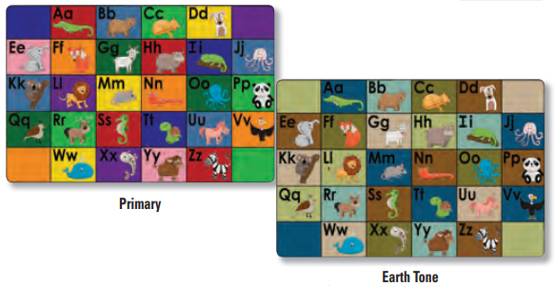
CARPETS - CONTINUED

Childcraft® Alphabet Friends Carpet
SSL # | Description | Size (W x D) | MSRP
5004715 | Alphabet Friends Carpet - Rectangle | 4 ft x 6 ft | $611.95
5004716 | Alphabet Friends Carpet - Rectangle | 6 ft x 9 ft | $1,207.35
5004713 | Alphabet Friends Carpet - Rectangle | 8 ft x 12 ft | $1,730.42
5004714 | Alphabet Friends Carpet - Rectangle | 10 ft 6 in x 13 ft 2in | $2,378.68
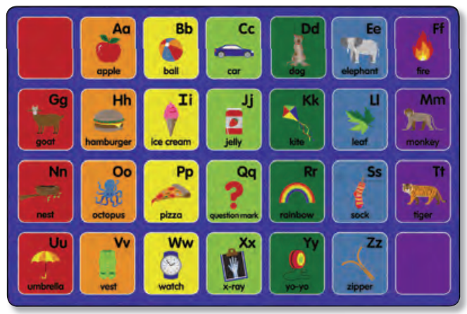

Childcraft® Alphabet Pictures Carpet
SSL # | Description | Size (W x D) | MSRP
5011713 | Alphabet Pictures - Rectangle | 6 ft x 9 ft | $1,207.35
5011714 | Alphabet Pictures - Rectangle | 8 ft x 12 ft | $1,730.42
5011712 | Alphabet Pictures - Rectangle | 10 ft 6 in x 13 ft 2 in | $2,378.68
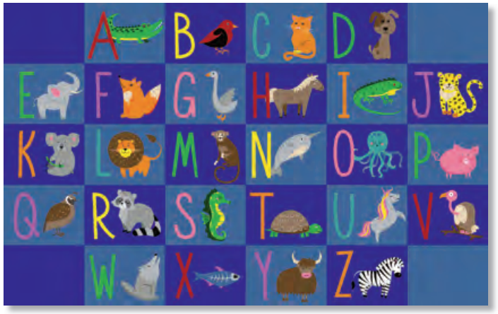

Childcraft® Alphabet Animals Carpet
SSL # | Description | Size (W x D) | MSRP
5011737 | Alphabet Animals - Rectangle | 6 ft x 9 ft | $1,207.35
5011738 | Alphabet Animals - Rectangle | 8 ft x 12 ft | $1,730.42
5011736 | Alphabet Animals - Rectangle | 10 ft 6 in x 13 ft 2 in | $2,378.68
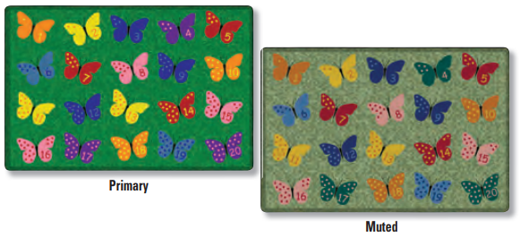
CARPETS - CONTINUED

Childcraft® Counting Butterflies Carpet
SSL # | Description | Size (W x D) | MSRP
5011268 | Counting Butterflies - Rectangle | 6 ft x 9 ft | $1,207.35
5011270 | Counting Butterflies - Rectangle | 8 ft x 12 ft | $1,730.42
5011269 | Counting Butterflies - Rectangle | 10 ft 6 in x 13 ft 2in | $2,378.68
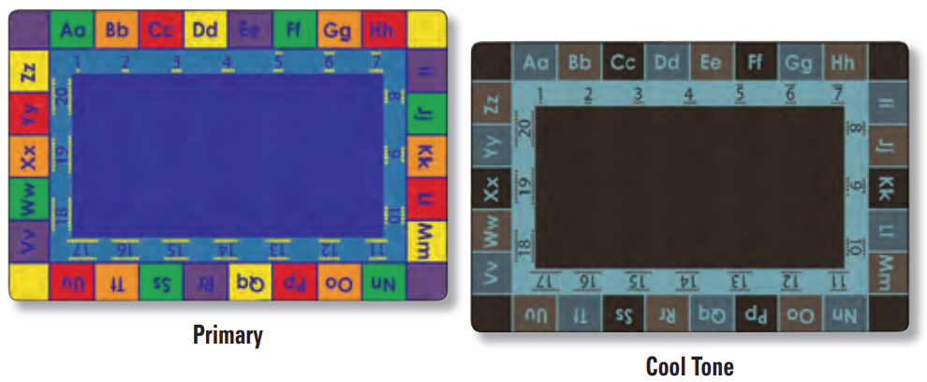

Childcraft® ABC123 Border Carpet
SSL # | Description | Size (W x D) | MSRP
5000867 | Abc 123 Border - Rectangle | 6 ft x 9 ft | $1,207.35
5000868 | Abc 123 Border - Rectangle | 8 ft x 12 ft | $1,730.42
5000869 | Abc 123 Border - Rectangle | 10 ft 6 in x 13 ft 2in | $2,378.68
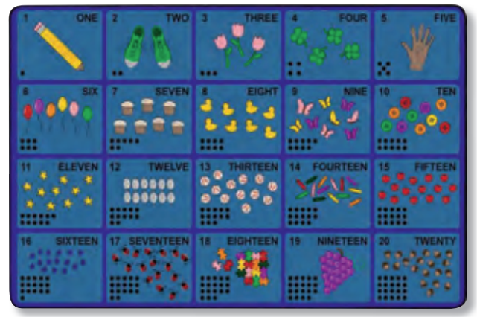

Childcraft® Learn to Count Carpet
SSL # | Description | Size (W x D) | MSRP
5011709 | Learn To Count - Rectangle | 6 ft x 9 ft | $1,207.35
5011707 | Learn To Count - Rectangle | 8 ft x 12 ft | $1,730.42
5011708 | Learn To Count - Rectangle | 10 ft 6 in x 13 ft 2 in | $2,378.68
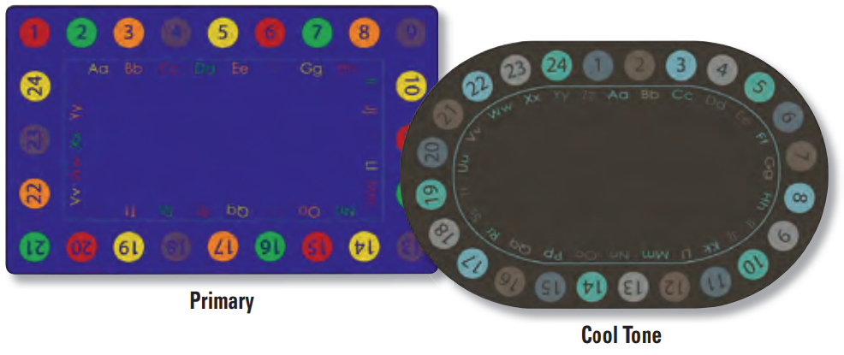
CARPETS - CONTINUED

Childcraft® Colorful Circles ABC123 Carpet
SSL # | Description | Size (W x D) | MSRP
5000263 | Colorful Circles Abc123 - Rectangle | 6 ft x 9 ft | $1,207.35
5000265 | Colorful Circles Abc123 - Rectangle | 8 ft x 12 ft | $1,730.42
5000264 | Colorful Circles Abc123 - Rectangle | 10 ft 6 in x 13 ft 2in | $2,378.68
5000262 | Colorful Circles Abc123 - Oval | 6 ft x 9 ft | $1,207.35
5000266 | Colorful Circles Abc123 - Oval | 8 ft x 12 ft | $1,730.42
5000267 | Colorful Circles Abc123 - Oval | 10 ft 6 in x 13 ft 2in | $2,378.68
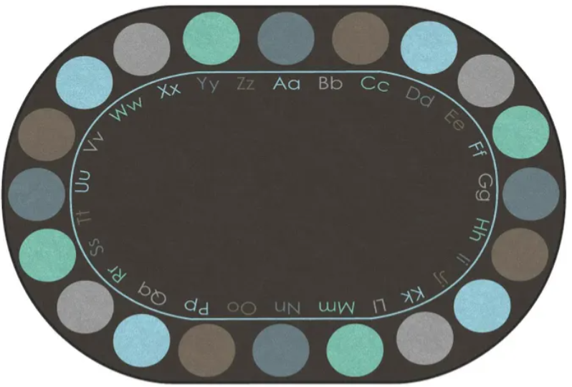
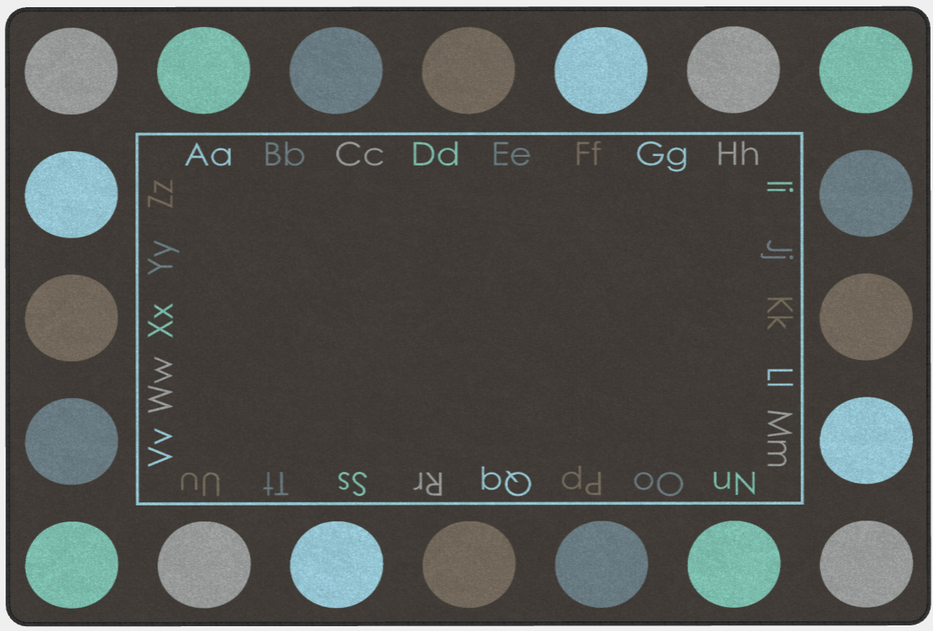

Childcraft® Alphabet Colorful Circles Seats
SSL # | Description | Size (W x D) | MSRP
5000188 | Alphabet Colorful Circles Seats - Rectangle | 6 ft x 9 ft | $1,207.35
5000193 | Alphabet Colorful Circles Seats - Rectangle | 8 ft x 12 ft | $1,730.42
5000194 | Alphabet Colorful Circles Seats - Rectangle | 10 ft 6 in x 13 ft 2in | $2,378.68
5000198 | Alphabet Colorful Circles - Oval | 6 ft x 9 ft | $1,207.35
5000196 | Alphabet Colorful Circles - Oval | 8 ft x 12 ft | $1,730.42
5000197 | Alphabet Colorful Circles - Oval | 10 ft 6 in x 13 ft 2in | $2,378.68
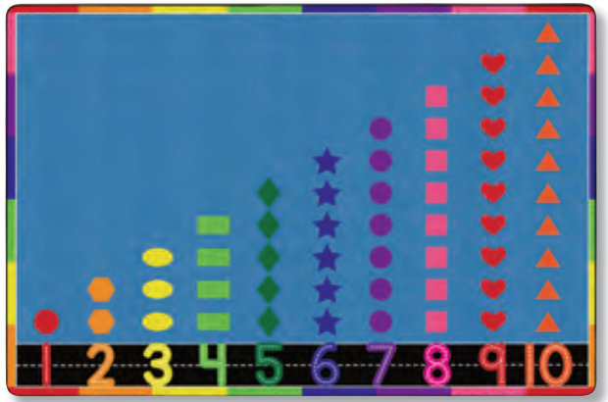

Childcraft® Count with Me Carpet
SSL # | Description | Size (W x D) | MSRP
5011745 | Count With Me - Rectangle | 6 ft x 9 ft | $1,207.35
5011747 | Count With Me - Rectangle | 8 ft x 12 ft | $1,730.42
5011746 | Count With Me - Rectangle | 10 ft 6 in x 13 ft 2 in | $2,378.68

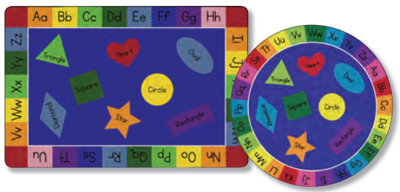
CARPETS - CONTINUED

Childcraft® Rainbow of Shapes Carpet
SSL # | Description | Size (W x D) | MSRP
5011772 | Rainbow of Shapes - Rectangle | 6 ft x 9 ft | $1,207.35
5011774 | Rainbow of Shapes - Rectangle | 8 ft x 12 ft | $1,730.42
5011773 | Rainbow of Shapes - Rectangle | 10 ft 6 in x 13 ft 2 in | $2,378.68
5011729 | Rainbow of Shapes - Oval | 6 ft x 9 ft | $1,207.35
5011727 | Rainbow of Shapes - Oval | 8 ft x 12 ft | $1,730.42
5011728 | Rainbow of Shapes - Oval | 10 ft 6 in x 13 ft 2 in | $2,378.68
2105274 | Rainbow of Shapes - Round | 6 ft diameter | $751.06
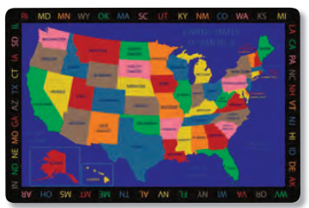

Childcraft® Geography United States of America Carpet
SSL # | Description | Size (W x D) | MSRP
5011739 | Geography United States Of America - Rectangle | 6 ft x 9 ft | $1,207.35
5011740 | Geography United States Of America - Rectangle | 8 ft x 12 ft | $1,730.42
5011741 | Geography United States Of America - Rectangle | 10 ft 6 in x 13 ft 2 in | $2,378.68
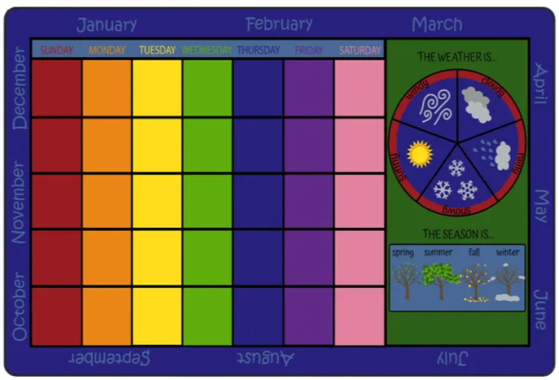
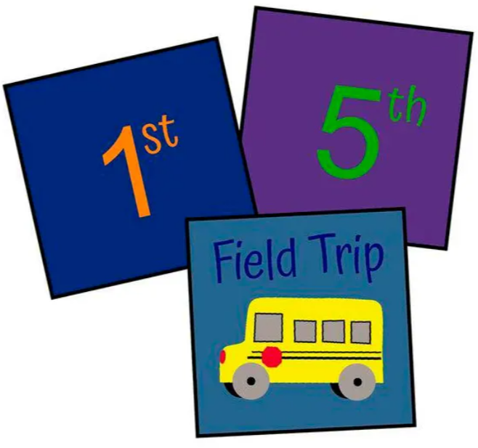

Childcraft® Let's Start Our Day Calendar Carpet & Carpet Squares
SSL # | Description | Size (W x D) | MSRP
5011944 | Lets Start Our Day Calendar - Rectangle | 8 ft x 12 ft | $1,730.42
5011943 | Lets Start Our Day Calendar - Rectangle | 10 ft 6 in x 13 ft 2 in | $2,378.68
2003804 | Lets Start Our Day Calendar - Carpet Squares - Set of 35 | set of 35 - 12 x 12 | $673.16

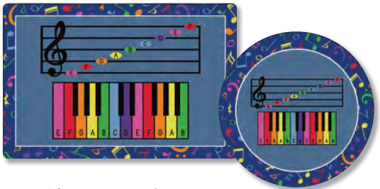
CARPETS - CONTINUED

Childcraft® Music Notes Carpet
SSL # | Description | Size (W x D) | MSRP
5011700 | Music Notes - Rectangle | 4 ft x 6 ft | $611.95
5011701 | Music Notes - Rectangle | 6 ft x 9 ft | $1,207.35
5011702 | Music Notes - Rectangle | 8 ft x 12 ft | $1,730.42
5011703 | Music Notes - Rectangle | 10 ft 6 in x 13 ft 2 in | $2,378.68
5011711 | Music Notes - Round | 6 ft dia | $751.06
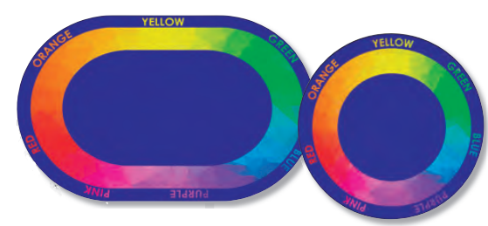
5011710 | Music Notes - Round | 12 ft dia | $2,387.03

Childcraft® Color Wheel Carpet
SSL # | Description | Size (W x D) | MSRP
5011715 | Color Wheel - Oval | 6 ft x 9 ft | $1,207.35
5011717 | Color Wheel - Oval | 8 ft x 12 ft | $1,730.42
5011716 | Color Wheel - Oval | 10 ft 6 in x 13 ft 2 in | $2,378.68
5011781 | Color Wheel - Round | 6 ft dia | $751.06
5011782 | Color Wheel - Round | 8 ft dia | $1,207.35
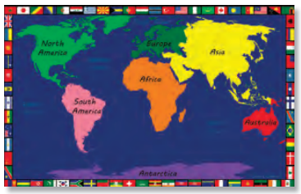

Childcraft® Geography World Map Carpet
SSL # | Description | Size (W x D) | MSRP
5011754 | Geography World Map - Rectangle | 6 ft x 9 ft | $1,207.35
5011752 | Geography World Map - Rectangle | 8 ft x 12 ft | $1,730.42
5011753 | Geography World Map - Rectangle | 10 ft 6 in x 13 ft 2 in | $2,378.68
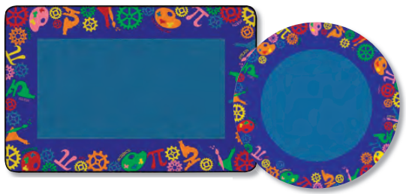
CARPETS - CONTINUED

Childcraft® STEAM Carpet
SSL # | Description | Size (W x D) | MSRP
5011751 | STEAM - Rectangle | 4 ft x 6 ft | $611.95
5011749 | STEAM - Rectangle | 6 ft x 9 ft | $1,207.35
5011748 | STEAM - Rectangle | 8 ft x 12 ft | $1,730.42
5011750 | STEAM - Rectangle | 10 ft 6 in x 13 ft 2 in | $2,378.68
5011726 | STEAM - Oval | 4 ft x 6 ft | $611.95
5011723 | STEAM - Oval | 6 ft x 9 ft | $1,207.35
5011724 | STEAM - Oval | 8 ft x 12 ft | $1,730.42
5011725 | STEAM - Oval | 10 ft 6 in x 13 ft 2 in | $2,378.68
5011805 | STEAM - Round | 6 ft dia | $751.06
5011804 | STEAM - Round | 8 ft dia | $1,207.35
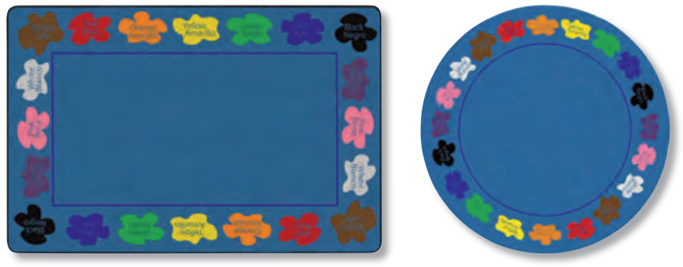

Childcraft® Learn Your Colors Bilingual Carpet
SSL # | Description | Size (W x D) | MSRP
5011775 | Learn Your Colors Bilingual - Rectangle | 4 ft x 6 ft | $611.95
5011778 | Learn Your Colors Bilingual - Rectangle | 6 ft x 9 ft | $1,207.35
5011777 | Learn Your Colors Bilingual - Rectangle | 8 ft x 12 ft | $1,730.42
5011776 | Learn Your Colors Bilingual - Rectangle | 10 ft 6 in x 13 ft 2 in | $2,378.68
5011760 | Learn Your Colors Bilingual - Oval | 4 ft x 6 ft | $611.95
5011762 | Learn Your Colors Bilingual - Oval | 6 ft x 9 ft | $1,207.35
5011759 | Learn Your Colors Bilingual - Oval | 8 ft x 12 ft | $1,730.42
5011761 | Learn Your Colors Bilingual - Oval | 10 ft 6 in x 13 ft 2 in | $2,378.68
5011780 | Learn Your Colors Bilingual - Round | 6 ft dia | $751.06
5011779 | Learn Your Colors Bilingual - Round | 8 ft dia | $1,207.35
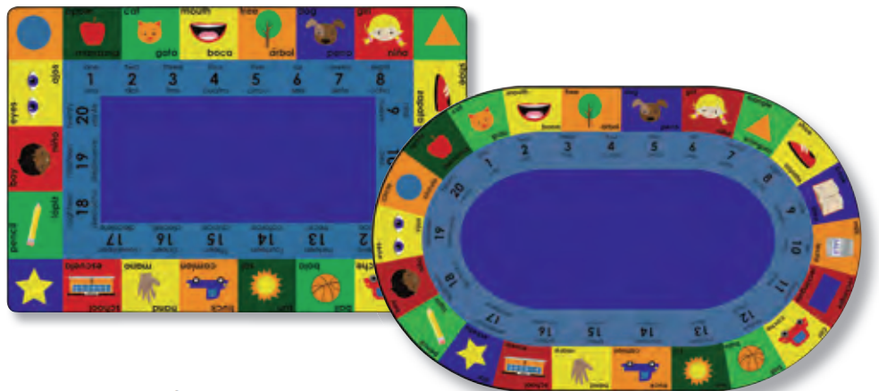
CARPETS - CONTINUED

Childcraft® Bilingual Carpet
SSL # | Description | Size (W x D) | MSRP
5011731 | Bilingual - Rectangle | 6 ft x 9 ft | $1,207.35
5011732 | Bilingual - Rectangle | 8 ft x 12 ft | $1,730.42
5011730 | Bilingual - Rectangle | 10 ft 6 in x 13 ft 2 in | $2,378.68
5013600 | Bilingual - Oval | 6 ft x 9 ft | $1,207.35
5011786 | Bilingual - Oval | 8 ft x 12 ft | $1,730.42
5011787 | Bilingual - Oval | 10 ft 6 in x 13 ft 2 in | $2,378.68
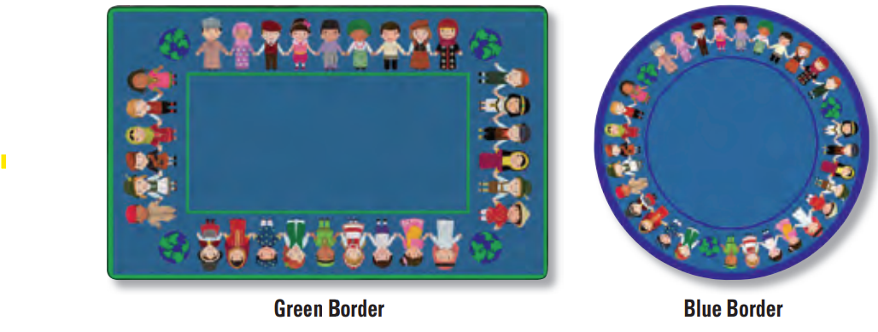

Childcraft® The World is in Our Hands Carpet
SSL # | Description | Size (W x D) | MSRP
5000278 | The World Is In Our Hands - Rectangle | 6 ft x 9 ft | $1,207.35
5000279 | The World Is In Our Hands - Rectangle | 8 ft x 12 ft | $1,730.42
5000280 | The World Is In Our Hands - Rectangle | 10 ft 6 in x 13 ft 2in | $2,378.68
5000324 | The World Is In Our Hands - Oval | 6 ft x 9 ft | $1,207.35
5000325 | The World Is In Our Hands - Oval | 8 ft x 12 ft | $1,730.42
5000326 | The World Is In Our Hands - Oval | 10 ft 6 in x 13 ft 2 in | $2,378.68
5000327 | The World Is In Our Hands - Round | 6 ft diameter | $751.06
5000328 | The World Is In Our Hands - Round | 8 ft diameter | $1,207.35


Childcraft® Everyone is Welcome Carpet
SSL # | Description | Size (W x D) | MSRP
5011785 | Everyone Is Welcome - Rectangle | 6 ft x 9 ft | $1,207.35
5011783 | Everyone Is Welcome - Rectangle | 8 ft x 12 ft | $1,730.42
5011784 | Everyone Is Welcome - Rectangle | 10 ft 6 in x 13 ft 2 in | $2,378.68
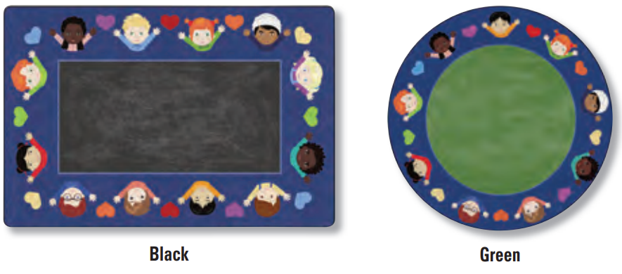
CARPETS - CONTINUED

Childcraft® Celebrate Friendship Carpet
SSL # | Description | Size (W x D) | MSRP
5011190 | Celebrate Friendship - Rectangle | 6 ft x 9 ft | $1,207.35
5011192 | Celebrate Friendship - Rectangle | 8 ft x 12 ft | $1,730.42
5011191 | Celebrate Friendship - Rectangle | 10 ft 6 in x 13 ft 2in | $2,378.68
5011466 | Celebrate Friendship - Round | 6 ft dia | $751.06
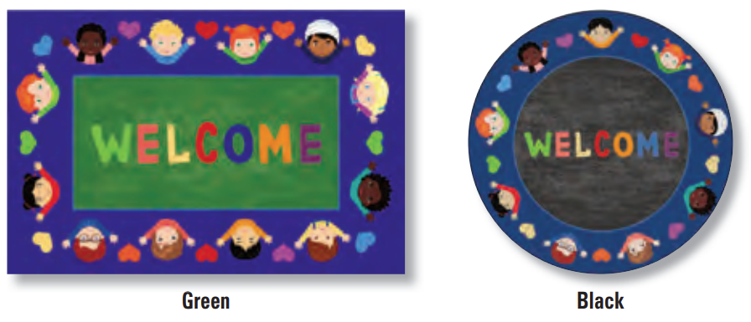
5011465 | Celebrate Friendship - Round | 8 ft dia | $1,207.35

Childcraft® Welcome Friends Carpet
SSL # | Description | Size (W x D) | MSRP
5009039 | Welcome Friends - Rectangle | 6 ft x 9 ft | $1,207.35
5009022 | Welcome Friends - Rectangle | 8 ft x 12 ft | $1,730.42
5009016 | Welcome Friends - Rectangle | 10 ft 6 in x 13 ft 2 in | $2,378.68
5009020 | Welcome Friends - Round | 6 ft diameter | $751.06
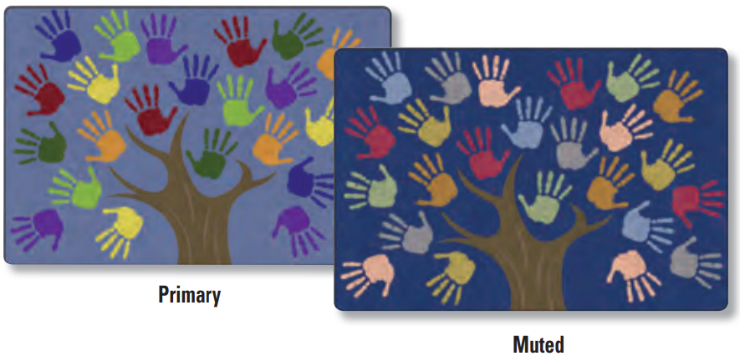
5009018 | Welcome Friends - Round | 8 ft diameter | $1,207.35

Childcraft® Handprint Tree Seating Carpet
SSL # | Description | Size (W x D) | MSRP
5011206 | Handprint Tree Seating - Rectangle | 6 ft x 9 ft | $1,207.35
5011205 | Handprint Tree Seating - Rectangle | 8 ft x 12 ft | $1,730.42
5011204 | Handprint Tree Seating - Rectangle | 10 ft 6 in x 13 ft 2in | $2,378.68

CARPETS - CONTINUED

Childcraft® Together Tree Carpet
SSL # | Description | Size (W x D) | MSRP
5011802 | Together Tree - Rectangle | 4 ft x 6 ft | $611.95
5011801 | Together Tree - Rectangle | 6 ft x 9 ft | $1,207.35
5011800 | Together Tree - Rectangle | 8 ft x 12 ft | $1,730.42
5011803 | Together Tree - Rectangle | 10 ft 6 in x 13 ft 2 in | $2,378.68
5011722 | Together Tree - Round | 6 ft dia | $751.06
5011721 | Together Tree - Round | 8 ft dia | $1,207.35
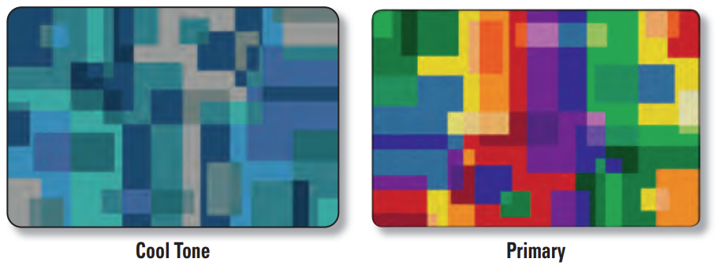

Childcraft® Geo Squares Carpet
SSL # | Description | Size (W x D) | MSRP
5011769 | Geo Squares - Rectangle | 6 ft x 9 ft | $1,207.35
5011770 | Geo Squares - Rectangle | 8 ft x 12 ft | $1,730.42
5011771 | Geo Squares - Rectangle | 10 ft 6 in x 13 ft 2 in | $2,378.68
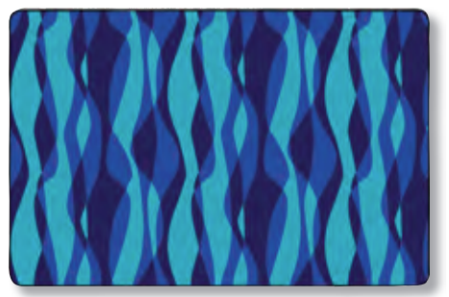

Childcraft® Waves Carpet
SSL # | Description | Size (W x D) | MSRP
5011734 | Waves - Rectangle | 6 ft x 9 ft | $1,207.35
5011735 | Waves - Rectangle | 8 ft x 12 ft | $1,730.42
5011733 | Waves - Rectangle | 10 ft 6 in x 13 ft 2 in | $2,378.68

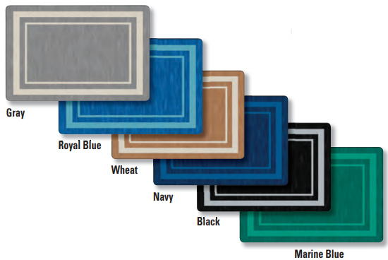
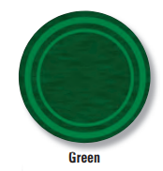
CARPETS - CONTINUED

SSL # | Description | Size (W x D) | MSRP
5004091 | Simple Border Carpet - Rectangle | 6 ft x 9 ft | $1,207.35
5004090 | Simple Border Carpet - Rectangle | 8 ft x 12 ft | $1,730.42
5004869 | Simple Border Carpet - Rectangle | 10 ft 6 in x 13 ft 2in | $2,378.68
5004093 | Simple Border Carpet - Round | 6 ft diameter | $751.06
5004092 | Simple Border Carpet - Round | 8 ft diameter | $1,207.35
5011140 | Simple Border - Round | 12 ft dia | $2,387.03
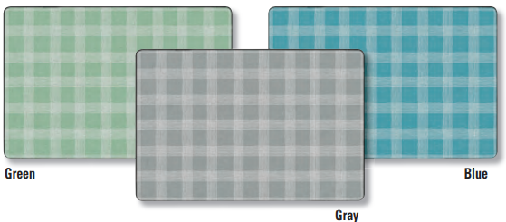

Childcraft® Peaceful Plaid Carpet
SSL # | Description | Size (W x D) | MSRP
5009013 | Peaceful Plaid - Rectangle | 4 ft x 6 ft | $611.95
5009019 | Peaceful Plaid - Rectangle | 6 ft x 9 ft | $1,207.35
5009038 | Peaceful Plaid - Rectangle | 8 ft x 12 ft | $1,730.42
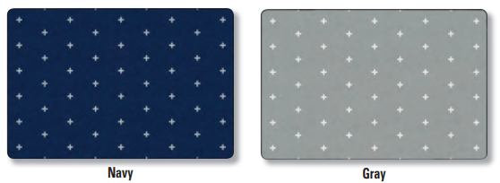

Childcraft® Positive Signs Carpet
SSL # | Description | Size (W x D) | MSRP
5009021 | Positive Signs - Rectangle | 4 ft x 6 ft | $611.95
5009030 | Positive Signs - Rectangle | 6 ft x 9 ft | $1,207.35
5009024 | Positive Signs - Rectangle | 8 ft x 12 ft | $1,730.42
5009008 | Positive Signs - Rectangle | 10 ft 6 in x 13 ft 2in | $2,378.68
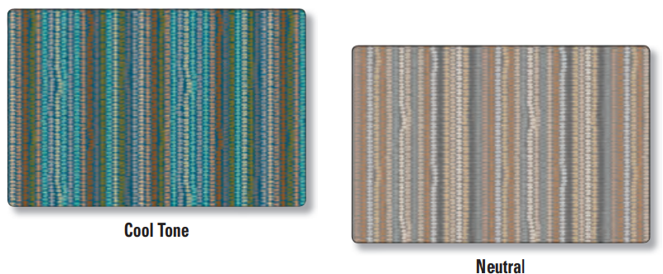
CARPETS - CONTINUED

Childcraft® Cobblestone Stripe Carpet
SSL # | Description | Size (W x D) | MSRP
5009028 | Cobblestone Stripe - Rectangle | 4 ft x 6 ft | $611.95
5009026 | Cobblestone Stripe - Rectangle | 6 ft x 9 ft | $1,207.35
5009015 | Cobblestone Stripe - Rectangle | 8 ft x 12 ft | $1,730.42
5009029 | Cobblestone Stripe - Rectangle | 6 ft x 13 ft 2 in | $2,378.68
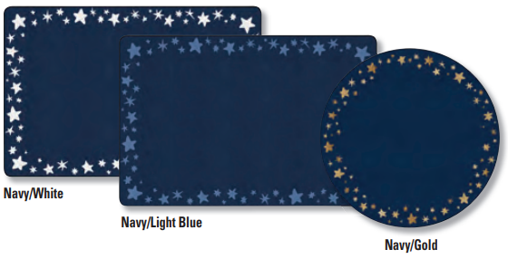

Childcraft® Star Bright Border Carpet
SSL # | Description | Size (W x D) | MSRP
5011251 | Star Bright Border - Rectangle | 4 ft x 6 ft | $611.95
5011248 | Star Bright Border - Rectangle | 6 ft x 9 ft | $1,207.35
5011249 | Star Bright Border - Rectangle | 8 ft x 12 ft | $1,730.42
5011250 | Star Bright Border - Rectangle | 10 ft 6 in x 13 ft 2in | $2,378.68
5011253 | Star Bright Border - Round | 6 ft diameter | $751.06
5011252 | Star Bright Border - Round | 8 ft diameter | $1,207.35
5011254 | Star Bright Border - Round | 12 ft diameter | $2,387.03
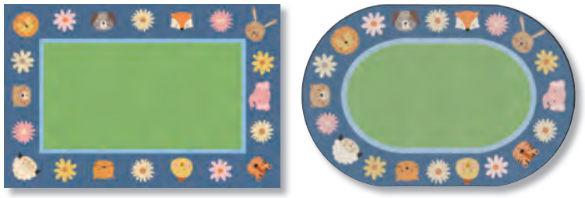


Childcraft® Animal Friends Border Carpet
SSL # | Description | Size (W x D) | MSRP
5011758 | Animal Friends Border - Rectangle | 4 ft x 6 ft | $611.95
5011755 | Animal Friends Border - Rectangle | 6 ft x 9 ft | $1,207.35
5011757 | Animal Friends Border - Rectangle | 8 ft x 12 ft | $1,730.42
5011756 | Animal Friends Border - Rectangle | 10 ft 6 in x 13 ft 2 in | $2,378.68
5011766 | Animal Friends Border - Oval | 6 ft x 9 ft | $1,207.35
5011767 | Animal Friends Border - Oval | 8 ft x 12 ft | $1,730.42
5011768 | Animal Friends Border - Oval | 10 ft 6 in x 13 ft 2 in | $2,378.68
5011763 | Animal Friends Border - Round | 6 ft dia | $751.06
5011764 | Animal Friends Border - Round | 8 ft dia | $1,207.35
5011765 | Animal Friends Border - Round | 12 ft dia | $2,378.68



CARPETS - CONTINUED

Childcraft® Counting Elephants Carpet
SSL # | Description | Size (W x D) | MSRP
5011940 | Counting Elephants - Rectangle | 4 ft x 6 ft | $611.95
5011941 | Counting Elephants - Rectangle | 6 ft x 9 ft | $1,207.35
5011942 | Counting Elephants - Rectangle | 8 ft x 12 ft | $1,730.42
5011937 | Counting Elephants - Oval | 4 ft x 6 ft | $611.95
5011939 | Counting Elephants - Oval | 6 ft x 9 ft | $1,207.35
5011938 | Counting Elephants - Oval | 8 ft x 12 ft | $1,730.42





Childcraft® ABC® Furnishings Nursery Carpet
SSL # | Description | Size (W x D) | MSRP
5011945 | Nursery Brave Lion - Rectangle | 3 ft x 5 ft | $222.43
5011946 | Nursery Brave Lion - Rectangle | 5 ft x 8 ft | $662.03
5011948 | Nursery Courageous Giraffe - Rectangle | 3 ft x 5 ft | $222.43
5011947 | Nursery Courageous Giraffe - Rectangle | 5 ft x 8 ft | $662.03
5011949 | Nursery Dream Big Elephant - Rectangle | 3 ft x 5 ft | $222.43
5011950 | Nursery Dream Big Elephant - Rectangle | 5 ft x 8 ft | $662.03
2028053 | Nursery Be Kind Sloth - Rectangle | 5 ft x 8 ft | $662.03



Childcraft® Doodle Dots Carpet
SSL # | Description | Size (W x D) | MSRP
5009031 | Doodle Dots - Rectangle | 4 ft x 6 ft | $611.95
5009010 | Doodle Dots - Rectangle | 6 ft x 9 ft | $1,207.35
5009037 | Doodle Dots - Rectangle | 8 ft x 12 ft | $1,730.42
5009034 | Doodle Dots - Rectangle | 10 ft 6 in x 13 ft 2in | $2,378.68

CARPETS - CONTINUED

Childcraft® Serene Woods Carpet
SSL # | Description | Size (W x D) | MSRP
5013272 | Serene Woods - Rectangle | 6 ft x 9 ft | $1,207.35
5013271 | Serene Woods - Rectangle | 8 ft x 12 ft | $1,730.42
5013270 | Serene Woods - Rectangle | 10 ft 6 in x 13 ft 2 in | $2,378.68

Childcraft® Basket Weave Carpet
SSL # | Description | Size (W x D) | MSRP
5000248 | Basketweave - Rectangle | 4 ft x 6 ft | $611.95
5000249 | Basketweave - Rectangle | 6 ft x 9 ft | $1,207.35
5000241 | Basketweave - Rectangle | 8 ft x 12 ft | $1,730.42
5000244 | Basketweave - Rectangle | 10 ft 6 in x 13 ft 2in | $2,378.68
5000240 | Basketweave - Oval | 6 ft x 9 ft | $1,207.35
5000246 | Basketweave - Oval | 8 ft x 12 ft | $1,730.42
5000247 | Basketweave - Oval | 10 ft 6 in x 13 ft 2in | $2,378.68
5000323 | Basketweave - Round | 6 ft diameter | $751.06
5000322 | Basketweave - Round | 8 ft diameter | $1,207.35

CARPETS - CONTINUED





Childcraft® Photo Fun Carpets
SSL # | Description | Size (W x D) | MSRP
5013265 | Spanish Alphabet Photofun - Rectangle | 6 ft x 9 ft | $1,399.33
5013267 | Spanish Alphabet Photofun - Rectangle | 8 ft x 12 ft | $1,933.52
5013266 | Spanish Alphabet Photofun - Rectangle | 10 ft 6 in x 13 ft 2 in | $2,534.49
5011688 | Alphabet Photofun - Rectangle | 6 ft x 9 ft | $1,399.33
5011689 | Alphabet Photofun - Rectangle | 8 ft x 12 ft | $1,933.52
5011690 | Alphabet Alphabet Photofun - Rectangle | 10 ft 6 in x 13 ft 2 in | $2,534.49
5011806 | All My Feelings Photofun - Rectangle - Seats 15 | 6 ft x 9 ft | $1,399.33
5011807 | All My Feelings Photofun - Rectangle - Seats 20 | 8 ft x 12 ft | $1,933.52
5011808 | All My Feelings Photofun - Rectangle - Seats 24 | 10 ft 6 in x 13 ft 2 in | $2,534.49
5011693 | Seating Stumps Photofun - Rectangle - Seats 20 | 6 ft x 9 ft | $1,399.33
5011692 | Seating Stumps Photofun - Rectangle - Seats 24 | 8 ft x 12 ft | $1,933.52
5011691 | Seating Stumps Photofun - Rectangle - Seats 30 | 10 ft 6 in x 13 ft 2 in | $2,534.49
5011685 | Rock Picture Photofun - Rectangle | 4 ft x 6 ft | $709.33
5011686 | Rock Picture Photofun - Rectangle | 6 ft x 9 ft | $1,399.33
5011687 | Rock Picture Photofun - Rectangle | 8 ft x 12 ft | $1,933.52
5011695 | Butterfly Seating Photofun - Rectangle - Seats 20 | 6 ft x 9 ft | $1,399.33
5011696 | Butterfly Seating Photofun - Rectangle - Seats 24 | 8 ft x 12 ft | $1,933.52
5011694 | Butterfly Seating Photofun - Rectangle - Seats 30 | 10 ft 6 in x 13 ft 2 in | $2,534.49
5011682 | Dandelions Seating Photofun - Rectangle - Seats 20 | 6 ft x 9 ft | $1,399.33
5011684 | Dandelions Seating Photofun - Rectangle - Seats 24 | 8 ft x 12 ft | $1,933.52
5011683 | Dandelions Seating Photofun - Rectangle - Seats 30 | 10 ft 6 in x 13 ft 2 in | $2,534.49
5003293 | Hardwood Floor - Rectangle | 6 ft x 9 ft | $1,399.33
5003294 | Hardwood Floor - Rectangle | 8 ft x 12 ft | $1,933.52
5003295 | Hardwood Floor - Rectangle | 10 ft 6 in x 13 ft 2in | $2,534.49
2027050 | Farm Friends Seating Squares - Set of 10 | 16 x 16 | $361.55
2024806 | Seating Stump Rounds - Set of 24 | 16 x 16 | $812.27
2105272 | Alphabet Squares - Set of 26 | 16 x 16 | $812.27

CARPETS - CONTINUED



Childcraft® Duralast Collection Carpet and Carpet Squares
SSL # | Description | Size (W x D) | MSRP
5001023 | Duralast Collection - Rectangle | 4 ft x 6 ft | $428.32
5001024 | Duralast Collection - Rectangle | 6 ft x 9 ft | $620.30
5001022 | Duralast Collection - Rectangle | 8 ft x 12 ft | $1,001.46
5004098 | Duralast Collection - Rectangle | 12 ft x 15 ft | $1,991.95
5004097 | Duralast Collection - Square | 12 ft x 12 ft | $1,616.34
5001025 | Duralast Collection - Oval | 8 ft x 12 ft | $1,001.46
5009014 | DuraLast Collection - Round | 6 ft dia | $600.82
5009009 | Duralast Collection - Round | 12 ft dia | $2,100.46
5011798 | Duralast Carpet Squares - Set of 10 | 16 in x 16 in | $280.86
5011625 | Duralast Carpet Squares - Set of 4 | 24 in x 24 in | $222.43

Childcraft® Select Solid Collection Carpet
SSL # | Description | Size (W x D) | MSRP
5001027 | Select Solid - Rectangle | 4 ft x 6 ft | $422.75
5001028 | Select Solid - Rectangle | 6 ft x 9 ft | $881.83
5001030 | Select Solid - Rectangle | 8 ft x 12 ft | $1,321.42
5001029 | Select Solid - Oval | 8 ft x 12 ft | $1,321.42
5009012 | Select Solid - Round | 6 ft dia | $664.81
5009011 | Select Solid - Round | 12 ft dia | $2,373.12

CARPETS - CONTINUED

Childcraft® ABC® Furnishings Essential Solid Carpet
SSL # | Description | Size (W x D) | MSRP
5001020 | ABC® Furnishings Essential Solid Carpet - Rectangle | 4 ft x 6 ft | $342.07
5001019 | ABC® Furnishings Essential Solid Carpet - Rectangle | 6 ft x 9 ft | $617.51
5001021 | ABC® Furnishings Essential Solid Carpet - Rectangle | 8 ft x 12 ft | $993.12
5001026 | ABC® Furnishings Essential Solid Carpet - Oval | 8 ft x 12 ft | $993.12
5009035 | ABC® Furnishings Essential Solid Carpet - Round 6ft dia | 6 ft dia | $534.05
5009032 | ABC® Furnishings Essential Solid Carpet - Round 12ft dia | 12 ft dia | $1,914.05

Cubby Units



Cubby Units

Mobile 20 Cubby Unit With Clear Trays
Multi-Compartment Storage Cubby With Assorted Color trays
Mobile 12-Tray and 2-Shelf Storage

Childcraft® Mobile Cubby Units with Locking Casters
10-Cubby Unit with Locking Casters
SSL # | Description | Size (W x D x H) | MSRP
1559875 | 10-Bin Cubby with Locking Casters | 19-1/2 x 14-1/4 x 36 | $1,730.42
2019880 | 10-Bin Cubby with Locking Casters - Translucent Color Bins | 19-1/2 x 14-1/4 x 36 | $1,966.91
1568736 | 10-Bin Cubby with Locking Casters - Primary Color Bins | 19-1/2 x 14-1/4 x 36 | $1,966.91
1568737 | 10-Bin Cubby with Locking Casters - Clear Bins | 19-1/2 x 14-1/4 x 36 | $1,966.91
1568738 | 10-Bin Cubby with Locking Casters - Wicker Baskets | 19-1/2 x 14-1/4 x 36 | $2,448.24

12 Cubby Units with Locking Casters
SSL # | Description | Size (W x D x H) | MSRP
2127940 | 12-Bin Cubby with Locking Casters | 38-5/16 x 14-1/4 x 24 | $1,830.58
2128464 | 12-Bin Cubby with Locking Casters - Translucent Color Bins | 38-5/16 x 14-1/4 x 24 | $2,114.37
2128465 | 12-Bin Cubby with Locking Casters - Primary Color Bins | 38-5/16 x 14-1/4 x 24 | $2,114.37
2128458 | 12-Bin Cubby with Locking Casters - Clear Bins | 38-5/16 x 14-1/4 x 24 | $2,114.37
2128466 | 12-Bin Cubby with Locking Casters - Wicker Baskets | 38-5/16 x 14-1/4 x 24 | $2,690.30

CUBBY UNITS - CONTINUED
16 Cubby Units with Lockign Casters
SSL # | Description | Size (W x D x H) | MSRP
2127945 | 16-Bin Cubby with Locking Casters | 38-5/16 x 14-1/4 x 24 | $2,092.11
2128460 | 16-Bin Cubby with Locking Casters - Translucent Color Bins | 38-5/16 x 14-1/4 x 24 | $2,470.50
2128461 | 16-Bin Cubby with Locking Casters - Primary Color Bins | 38-5/16 x 14-1/4 x 24 | $2,470.50
2128463 | 16-Bin Cubby with Locking Casters - Clear Bins | 38-5/16 x 14-1/4 x 24 | $2,470.50
2128468 | 16-Bin Cubby with Locking Casters - Wicker Baskets | 38-5/16 x 14-1/4 x 24 | $3,238.40

20 Cubby Units with Locking Casters
SSL # | Description | Size (W x D x H) | MSRP
2127944 | 20-Bin Cubby with Locking Casters | 47-3/4 x 14-1/4 x 30 | $2,108.80
2128467 | 20-Bin Cubby with Locking Casters - Translucent Color Bins | 47-3/4 x 14-1/4 x 30 | $2,581.79
2128462 | 20-Bin Cubby with Locking Casters - Primary Color Bins | 47-3/4 x 14-1/4 x 30 | $2,581.79
2128469 | 20-Bin Cubby with Locking Casters - Clear Bins | 47-3/4 x 14-1/4 x 30 | $2,581.79
2128459 | 20-Bin Cubby with Locking Casters - Wicker Baskets | 47-3/4 x 14-1/4 x 30 | $3,541.67

25 Cubby Units with Locking Casters
SSL # | Description | Size (W x D x H) | MSRP
1559880 | 25-Bin Cubby with Locking Casters | 47-3/4 x 14-1/4 x 36 | $2,345.30
2019881 | 25-Bin Cubby with Locking Casters - Translucent Color Bins | 47-3/4 x 14-1/4 x 36 | $2,935.13
1568742 | 25-Bin Cubby with Locking Casters - Primary Color Bins | 47-3/4 x 14-1/4 x 36 | $2,935.13
1568743 | 25-Bin Cubby with Locking Casters - Clear Bins | 47-3/4 x 14-1/4 x 36 | $2,935.13
1568744 | 25-Bin Cubby with Locking Casters - Wicker Baskets | 47-3/4 x 14-1/4 x 36 | $4,137.07

Childcraft® Mobile Cubby Units
10-Cubby Unit
SSL # | Description | Size (W x D x H) | MSRP
299366 | 10-Bin Cubby | 19-1/2 x 14-1/4 x 36 | $1,730.42
2019872 | 10-Bin Cubby - Translucent Color Bins | 19-1/2 x 14-1/4 x 36 | $1,966.91
070043 | 10-Bin Cubby - Assorted Color Bins | 19-1/2 x 14-1/4 x 36 | $1,966.91
265233 | 10-Bin Cubby - Clear Bins | 19-1/2 x 14-1/4 x 36 | $1,966.91
1440377 | 10-Bin Cubby - Wicker Baskets | 19-1/2 x 14-1/4 x 36 | $2,448.24

CUBBY UNITS - CONTINUED
Toddler 12-Cubby Unit
SSL # | Description | Size (W x D x H) | MSRP
1429287 | 12-Bin Cubby | 38-3/8 x 14-1/4 x 24 | $1,830.58
2019884 | 12-Bin Cubby - Translucent Color Bins | 38-3/8 x 14-1/4 x 24 | $2,114.37
1444400 | 12-Bin Cubby - Assorted Color Bins | 38-3/8 x 14-1/4 x 24 | $2,114.37
1444399 | 12-Bin Cubby - Clear Bins | 38-3/8 x 14-1/4 x 24 | $2,114.37
1444398 | 12-Bin Cubby - Wicker Baskets | 38-3/8 x 14-1/4 x 24 | $2,690.30

16-Cubby Unit
SSL # | Description | Size (W x D x H) | MSRP
267014 | 16-Bin Cubby | 38-3/8 x 14-1/4 x 30 | $2,092.11
2019874 | 16-Bin Cubby - Translucent Color Bins | 38-3/8 x 14-1/4 x 30 | $2,470.50
296573 | 16-Bin Cubby - Assorted Color Bins | 38-3/8 x 14-1/4 x 30 | $2,470.50
675309 | 16-Bin Cubby - Clear Bins | 38-3/8 x 14-1/4 x 30 | $2,470.50
1440343 | 16-Bin Cubby - Wicker Baskets | 38-3/8 x 14-1/4 x 30 | $3,238.40

20-Cubby Unit
SSL # | Description | Size (W x D x H) | MSRP
306444 | 20-Bin Cubby | 47-3/4 x 14-1/4 x 30 | $2,108.80
2019878 | 20-Bin Cubby - Translucent Color Bins | 47-3/4 x 14-1/4 x 30 | $2,581.79
296216 | 20-Bin Cubby - Assorted Color Bins | 47-3/4 x 14-1/4 x 30 | $2,581.79
296159 | 20-Bin Cubby - Clear Bins | 47-3/4 x 14-1/4 x 30 | $2,581.79
1440347 | 20-Bin Cubby - Wicker Baskets | 47-3/4 x 14-1/4 x 30 | $3,541.67

25-Cubby Unit
SSL # | Description | Size (W x D x H) | MSRP
271552 | 25-Bin Cubby | 47-3/4 x 14-1/4 x 36 | $2,345.30
2019873 | 25-Bin Cubby - Translucent Color Bins | 47-3/4 x 14-1/4 x 36 | $2,935.13
296219 | 25-Bin Cubby - Assorted Color Bins | 47-3/4 x 14-1/4 x 36 | $2,935.13
296153 | 25-Bin Cubby - Clear Bins | 47-3/4 x 14-1/4 x 36 | $2,935.13
1440345 | 25-Bin Cubby - Wicker Baskets | 47-3/4 x 14-1/4 x 36 | $4,137.07

CUBBY UNITS - CONTINUED
30-Cubby Unit
SSL # | Description | Size (W x D x H) | MSRP
075042 | 30-Bin Cubby | 47-3/4 x 14-1/4 x 42 | $3,394.21
2019877 | 30-Bin Cubby - Translucent Color Bins | 47-3/4 x 14-1/4 x 42 | $4,100.90
296564 | 30-Bin Cubby - Assorted Color Bins | 47-3/4 x 14-1/4 x 42 | $4,100.90
296570 | 30-Bin Cubby - Clear Bins | 47-3/4 x 14-1/4 x 42 | $4,100.90
1440342 | 30-Bin Cubby - Wicker Baskets | 47-3/4 x 14-1/4 x 42 | $5,544.89

Childcraft® Mixed-Bin Storage
SSL # | Description | Size (W x D x H) | MSRP
267039 | Mixed-Bin Storage | 35-3/4 x 14-1/4 x 30 | $2,303.56
2019879 | Mixed-Bin Storage - 8 Small Translucent Color & 3 Medium Translucent | 35-3/4 x 14-1/4 x 30 | $2,620.74
296519 | Mixed-Bin Storage - 8 Color Bins and 3 Medium Translucent Bins | 35-3/4 x 14-1/4 x 30 | $2,620.74
071733 | Mixed-Bin Storage - 8 Small Clear Bins and 3 Medium Translucent Bins | 35-3/4 x 14-1/4 x 30 | $2,620.74
296516 | Mixed-Bin Storage - 8 Small White Bins and 3Translucent Bins | 35-3/4 x 14-1/4 x 30 | $2,620.74
1440368 | Mixed-Bin Storage - 8 Small and 3 Medium Baskets | 35-3/4 x 14-1/4 x 30 | $3,143.80

Childcraft® Mobile 12-Bin and 2-Shelf Storage
SSL # | Description | Size (W x D x H) | MSRP
267035 | Mobile 12-Bin and 2-Shelf Storage | 47-3/4 x 14-1/4 x 30 | $2,901.75
2019885 | Mobile 12-Bin and 2-Shelf Storage - 12 Translucent Color and 4 Medium Translucent | 47-3/4 x 14-1/4 x 30 | $3,355.25
296558 | Mobile 12-Bin and 2-Shelf Storage - 12 Assorted Color and 4 Medium Translucent | 47-3/4 x 14-1/4 x 30 | $3,355.25
675321 | Mobile 12-Bin and 2-Shelf Storage - 12 Small Clear Bins and 4 Medium Translucent Bins | 47-3/4 x 14-1/4 x 30 | $3,355.25

Childcraft® Mobile Flex Cubby
SSL # | Description | Size (W x D x H) | MSRP
206046 | Mobile Flex Cubby | 47-3/4 x 14-1/4 x 30 | $2,957.39
206050 | Mobile Flex Cubby - 10 Assorted Color Bins and 8 Deep Flat Assorted Color Bins | 47-3/4 x 14-1/4 x 30 | $3,511.06
206044 | Mobile Flex Cubby - 10 Clear Bins and 8 Deep Flat Clear Bins | 47-3/4 x 14-1/4 x 30 | $3,511.06
206056 | Mobile Flex Cubby - 16 Assorted Color Deep Flat Bins | 47-3/4 x 14-1/4 x 30 | $3,511.06
206052 | Mobile Flex Cubby - 16 Clear Deep Flat Bins | 47-3/4 x 14-1/4 x 30 | $3,511.06

CUBBY UNITS - CONTINUED
Childcraft® Mobile Flat-Tray Cubby
SSL # | Description | Size (W x D x H) | MSRP
075060 | Mobile 24 Flat-Tray Cubby | 47-3/4 x 14-1/4 x 30 | $2,745.94
296735 | Mobile 24 Flat-Tray Cubby - Primary Color Trays | 47-3/4 x 14-1/4 x 30 | $3,666.87
296732 | Mobile 24 Flat-Tray Cubby - Translucent Trays | 47-3/4 x 14-1/4 x 30 | $3,666.87
272116 | Mobile 30 Flat-Tray Cubby | 58-3/4 x 14-1/4 x 30 | $3,430.38
296927 | Mobile 30 Flat-Tray Cubby - Primary Color Trays | 58-3/4 x 14-1/4 x 30 | $4,582.23
296930 | Mobile 30 Flat-Tray Cubby - Translucent Trays | 58-3/4 x 14-1/4 x 30 | $4,582.23

Childcraft® Mobile 24 Flat-Tray Cubby with Locking Casters
SSL # | Description | Size (W x D x H) | MSRP
1559885 | 24 Flat-Tray Cubby | 47-3/4 x 14-1/4 x 30 | $2,745.94
1568748 | 24 Flat-Tray Cubby - Primary Color Trays | 47-3/4 x 14-1/4 x 30 | $3,666.87
1568749 | 24 Flat-Tray Cubby - Translucent Trays | 47-3/4 x 14-1/4 x 30 | $3,666.87

Childcraft® Mobile 16-Cubby
SSL # | Description | Size (W x D x H) | MSRP
271621 | 16-Bin Cubby | 47-3/4 x 14-1/4 x 30 | $2,462.15

Childcraft® Mobile 24-Bin Cubby
SSL # | Description | Size (W x D x H) | MSRP
2020866 | 24-Bin Cubby | 50 x 16-3/4 x 42 | $3,324.65
2024111 | 24-Bin Cubby - Primary Color Bins | 50 x 16-3/4 x 42 | $4,351.30
2024112 | 24-Bin Cubby - Translucent Bins | 50 x 16-3/4 x 42 | $4,351.30

Childcraft® Mobile Big-Bin Cubby Units
SSL # | Description | Size (W x D x H) | MSRP
1565128 | 4-Big-Bin Cubby | 25-5/8 x 16 x 19 | $1,168.40
1574097 | 4-Big-Bin Cubby - Primary Color Bins/Lids | 25-5/8 x 16 x 19 | $1,424.37
1574098 | 4-Big-Bin Cubby - Translucent Bins/Lids | 25-5/8 x 16 x 19 | $1,424.37
271663 | 12-Big-Bin Cubby | 38-1/8 x 16 x 36 | $2,306.34
1540096 | 12-Big-Bin Cubby - Primary Color Bins/Lids | 38-1/8 x 16 x 36 | $3,065.90
265335 | 12-Big-Bin Cubby - Translucent Bins/Lids | 38-1/8 x 16 x 36 | $3,065.90
272059 | 16-Big-Bin Cubby | 50-5/8 x 16 x 36 | $2,715.34
1540097 | 16-Big-Bin Cubby - Primary Color Bins/Lids | 50-5/8 x 16 x 36 | $3,728.08
1468538 | 16-Big-Bin Cubby - Translucent Bins/Lids | 50-5/8 x 16 x 36 | $3,728.08

CUBBY UNITS - CONTINUED
Childcraft® Mobile Multi-Compartment Storage Cubby with Locking Casters
SSL # | Description | Size (W x D x H) | MSRP
2127949 | 10-Bin Cubby - Locking Casters | 47-3/4 x 14-1/4 x 36 | $2,787.67
2128478 | 10-Bin Cubby - Locking Casters - 10 Asstd Primary Color Trays and 8 Asstd Primary Color Flat Trays | 47-3/4 x 14-1/4 x 36 | $3,330.21
2128472 | 10-Bin Cubby - Locking Casters - 10 Clear Trays and 8 Translucent Flat Trays | 47-3/4 x 14-1/4 x 36 | $3,330.21

Childcraft® Mobile Small-Bin Store-n-Stack with Locking Casters
SSL # | Description | Size (W x D x H) | MSRP
2127947 | Store-N-Stack - Locking Casters | 47-3/4 x 14-1/4 x 36 | $2,729.25
2128474 | Store-N-Stack - Locking Casters - Translucent Color Trays | 47-3/4 x 14-1/4 x 36 | $3,082.59
2128477 | Store-N-Stack - Locking Casters - Primary Color Trays | 47-3/4 x 14-1/4 x 36 | $3,082.59
2128471 | Store-N-Stack - Locking Casters - Clear Trays | 47-3/4 x 14-1/4 x 36 | $3,082.59
2128473 | Store-N-Stack - Locking Casters - Wicker Baskets | 47-3/4 x 14-1/4 x 36 | $3,805.98

Childcraft® Mobile Flat-Tray and Folder Cubby
SSL # | Description | Size (W x D x H) | MSRP
2092029 | Flat-Tray and Folder Cubby | 47-3/4 x 14-1/4 x 36 | $2,937.92
2092046 | Flat-Tray and Folder Cubby - Translucent Trays | 47-3/4 x 14-1/4 x 36 | $3,705.82
2092041 | Flat-Tray and Folder Cubby - Primary Color Trays | 47-3/4 x 14-1/4 x 36 | $3,705.82

Childcraft® Mobile Multi-Compartment Storage Cubby Unit
SSL # | Description | Size (W x D x H) | MSRP
2039677 | 10-Bin Cubby | 47-3/4 x 14-1/4 x 36 | $2,787.67
2048163 | 10-Bin Cubby - 8 Primary Color Flat Trays and 10 Primary Color Bins | 47-3/4 x 14-1/4 x 36 | $3,330.21
2048160 | 10-Bin Cubby - 8 Translucent Flat Trays and 10 Clear Bins | 47-3/4 x 14-1/4 x 36 | $3,330.21

Childcraft® Mobile Small-Bin Store-n-Stack
SSL # | Description | Size (W x D x H) | MSRP
074508 | Small Bin Store-n-Stack | 47-3/4 x 14-1/4 x 36 | $2,729.25
2019883 | Small Bin Store-n-Stack - Translucent Bins | 47-3/4 x 14-1/4 x 36 | $3,082.59
296204 | Small Bin Store-n-Stack - Primary Color Bins | 47-3/4 x 14-1/4 x 36 | $3,082.59
072174 | Small Bin Store-n-Stack - Clear Bins | 47-3/4 x 14-1/4 x 36 | $3,082.59
1440341 | Small Bin Store-n-Stack - Wicker Baskets | 47-3/4 x 14-1/4 x 36 | $3,805.98

CUBBY UNITS - CONTINUED
Childcraft® Mobile Folder and Bin Cubby
SSL # | Description | Size (W x D x H) | MSRP
272077 | Folder and Bin Caddy | 47-3/4 x 14-1/4 x 42 | $3,675.21
2019888 | Folder and Bin Caddy - Translucent Bins | 47-3/4 x 14-1/4 x 42 | $4,148.20
296906 | Folder and Bin Caddy - Primary Color Bins | 47-3/4 x 14-1/4 x 42 | $4,148.20
1577199 | Folder and Bin Caddy - Clear Bins | 47-3/4 x 14-1/4 x 42 | $4,148.20
1440346 | Folder and Bin Caddy - Wicker Baskets | 47-3/4 x 14-1/4 x 42 | $5,108.08

Mailbox Storage
SSL # | Description | Size (W x D x H) | MSRP
1439525 | Vertical Mailbox Storage Unit | 29-1/2 x 14-3/4 x 36 | $3,380.30
072000 | 30 Cubby Horizontal Mailbox Organizer | 47-3/4 x 11-5/8 x 26 | $2,540.05
071988 | Extra-Wide Construction Paper Holder | 29-1/2 x 13 x 15 | $876.26

Dual-Sided Building Brick Activity Center
Standard-Grid Panels
SSL # | Description | Size (W x D x H) | MSRP
2020828 | Standard Activity Center | 39 1/2 x 14 1/4 x 30 | $2,476.06
2024270 | Standard Activity Center - 4 Translucent Color Bins | 39 1/2 x 14 1/4 x 30 | $2,573.44
2024276 | Standard Activity Center - 4 Primary Color Bins | 39 1/2 x 14 1/4 x 30 | $2,573.44
2024278 | Standard Activity Center - 4 Clear Bins | 39 1/2 x 14 1/4 x 30 | $2,573.44
2024280 | Standard Activity Center - 4 Baskets | 39 1/2 x 14 1/4 x 30 | $2,748.72
Preschool-Grid Panels
SSL # | Description | Size (W x D x H) | MSRP
2021250 | Preschool Activity Center | 39 1/2 x 14 1/4 x 30 | $2,476.06
2024279 | Preschool Activity Center - 4 Translucent Color Bins | 39 1/2 x 14 1/4 x 30 | $2,573.44
2024271 | Preschool Activity Center - 4 Primary Color Bins | 39 1/2 x 14 1/4 x 30 | $2,573.44
2024275 | Preschool Activity Center - 4 Clear Bins | 39 1/2 x 14 1/4 x 30 | $2,573.44
2024273 | Preschool Activity Center - 4 Baskets | 39 1/2 x 14 1/4 x 30 | $2,748.72

Locker Storage



Locker Storage

5-Section Straight Sided Coat Locker
Narrow 8-Cubby
Coat Locker
12-Section Coat Locker

SSL # | Description | Size (W x D x H) | MSRP
Bench Coat Lockers
1301428 | 2-Section Bench Coat Locker | 21 7/8 x 13 3/4 x 48 | $1,279.69
1403214 | 3-Section Bench Coat Locker | 32 1/2 x 13 3/4 x 48 | $1,566.26
1464160 | Toddler 5-Section Bench Coat Locker | 53 3/4 x 13 3/4 x 36 | $1,936.30
202818 | 5-Section Bench Coat Locker | 53 3/4 x 13 3/4 x 48 | $2,028.12
Value Coat Lockers
271555 | 5-Section Coat Locker | 53-3/4 x 9-5/8 x 42 | $1,836.14
Toddler 4-Section Bench Coat Locker
2039673 | Toddler Bench Coat Locker with 8 Hooks | 47-3/4 x 14-1/4 x 36 | $2,225.66
Straight-Sided Coat Locker
272044 | Straight Sided 5-Unit Coat Locker with 10 Hooks | 53-3/4 x 14-1/4 x 48 | $2,217.31
Narrow 8-Cubby Coat Locker
1588153 | Narrow 8-Cubby Coat Locker with 16 Hooks | 59-1/2 x 14-1/4 x 48 | $4,153.76
10-Section Coat Locker
2127939 | 10-Section Coat Locker with Shelves and 20 Hooks (2 Hooks/Section) | 53-3/4 x 14-1/4 x 48 | $2,782.11

LOCKER STORAGE - CONTINUED
SSL # | Description | Size (W x D x H) | MSRP
12-Section Coat Locker
1301430 | 12-Section Coat Locker with 24 Hooks (2 Hooks/Section) | 53-3/4 x 14-1/4 x 48 | $3,505.50
Double-Bin Coat Locker
272113 | Double-Bin Coat Locker with 10 Hooks | 53 3/4 x 14 1/4 x 48 | $3,060.34
204547 | Double-Bin Coat Locker with 10 Hooks - Includes Assorted Color Bins | 53 3/4 x 14 1/4 x 48 | $3,296.83
Modular Coat Lockers
1544986 | Modular Coat Locker Single Unit with 3 Hooks | 11-1/4 x 14-1/4 x 50 | $1,151.71
1568772 | Set of 5 Lockers | 11-1/4 x 14-1/4 x 50 | $4,874.37
Low Storage Unit
271591 | Low Storage Unit - 12-Large Cubbies | 58-3/8 x 14-1/4 x 30 | $2,317.47
5-Section Stacking/Locking Storage Locker
204154 | Stacking/Locking 5-Section Storage Locker | 59-1/2 x 14-1/2 x 24 | $3,469.33

SSL # | Description | Size (W x D x H) | MSRP
Wall Coat Locker with Shelf
1459813 | Wall Coat Locker with Shelf and 10 Hooks (2 Hooks/Section) | 47-3/4 x 7-3/4 x 7-3/4 | $962.51


LOCKER STORAGE - CONTINUED

SSL # | Description | Size (W x D x H) | MSRP
12-Section Mobile Cubby Locker
1464173 | 12-Section Mobile Low Cubby Locker | 51-1/2 x 16-7/8 x 42 | $2,289.65
1448794 | 12-Section Mobile Cubby Locker | 47-3/4 x 15 x 48 | $2,289.65


10-Cubby Wall Mounted Locker

SSL # | Description | Size (W x D x H) | MSRP
10-Cubby Wall Mounted Locker
1464167 | 10-Cubby Wall Mounted Locker | 47-3/4 x 14-1/4 x 19-3/4 | $1,563.48
2019871 | 10-Cubby Wall Mounted Locker - Tranluscent Color Bins | 47-3/4 x 14-1/4 x 19-3/4 | $1,799.97
1473440 | 10-Cubby Wall Mounted Locker - Primary Color Bins | 47-3/4 x 14-1/4 x 19-3/4 | $1,799.97
1537081 | 10-Cubby Wall Mounted Locker - Clear Bins | 47-3/4 x 14-1/4 x 19-3/4 | $1,799.97
1473441 | 10-Cubby Wall Mounted Locker - Small Baskets | 47-3/4 x 14-1/4 x 19-3/4 | $2,281.30
Wall Mount Strips
2020854 | Wall Coat Strip - 30" - 4 Hooks | 29-3/4 x 1-7/8 x 4 | $247.47
271615 | Wall Coat Strip - 48" - 7 Hooks | 47-15/16 x 1-7/8 x 4 | $392.15
2020855 | Wall Coat Strip - 60" - 8 Hooks | 59-1/2 x 1-7/8 x 4 | $478.40
Mobile Backpack Cart
2020821 | Backpack Cart - 28 Hooks | 49-3/4 x 26-1/2 x 49 | $3,892.23

Compartment Storage

Compartment Storage



Mobile 8-Compartment Storage Unit
Mobile 5-Compartment Storage Unit
Mobile Block Cabinet with 260 Blocks Plus 25 Block Labels

SSL # | Description | Size (W x D x H) | MSRP
Mobile Block Storage Bins
2003901 | Mobile Block Storage Bin | 35-3/4 x 21-1/2 x 31 | $2,317.47
2006095 | Mobile Block Storage Unit with Blue Adhesives | 35-3/4 x 21-1/2 x 31 | $2,553.96
2006096 | Mobile Block Storage Unit with Blue Adhesives and Block set | 35-3/4 x 21-1/2 x 31 | $3,636.26
Locking 2-Door Teacher Storage Unit
1484118 | Locking 2-Door Teacher Storage Unit | 29-3/4 x 23 x 60 | $3,728.08
Locking Wall-Storage Cabinet
298695 | Locking Wall-Storage Cabinet | 35-3/4 x 13-3/4 x 35-3/4 | $2,267.39
Mobile Compartment Storage Units with Locking Casters
1558435 | Mobile 3-Compartment Storage Unit | 47 3/4 x 14 1/4 x 24 | $1,321.42
2127941 | Mobile Toddler 5-Compartment Storage Unit | 47 3/4 x 14 1/4 x 24 | $1,321.42
1558440 | Mobile 5-Compartment Storage Unit | 47 3/4 x 14 1/4 x 30 | $1,368.72
1558441 | Mobile 7-Compartment Storage Unit | 47 3/4 x 14 1/4 x 36 | $1,749.89
3-Compartment Narrow Storage Unit with Well Top
1557231 | 3-Compartment with Well Top | 47-3/4 x 12 x 20 | $1,260.21
Narrow Storage Unit
1528662 | Narrow Storage Unit with 2 Shelves | 23 3/4 x 14 3/4 x 24 | $1,296.38

COMPARTMENT STORAGE - CONTINUED
SSL # | Description | Size (W x D x H) | MSRP
Multiple Compartment Storage Units
1335358 | Mobile 3-Compartment Storage Unit | 47-3/4 x 14-1/4 x 30 | $1,368.72
265251 | 5-Compartment Storage Unit | 47-3/4 x 11-5/8 x 30 | $1,354.81
202815 | Mobile 5-Compartment Storage Unit | 47 3/4 x 14 1/4 x 30 | $1,368.72
074531 | Mobile 5-Compartment Toddler Storage Unit | 47 3/4 x 14 1/4 x 24 | $1,321.42
202816 | Mobile 7-Compartment Storage Unit | 47 3/4 x 14 1/4 x 42 | $2,373.12
1464170 | Mobile 8-Compartment Storage Unit | 47 3/4 x 14 1/4 x 36 | $1,749.89
Mobile Block Cabinets
205879 | Mobile Block Cabinet | 35-3/4 x 13 x 25-3/8 | $1,891.79
205881 | Mobile Block Cabinet with Blue Labels | 35-3/4 x 13 x 25-3/8 | $2,128.28
1492065 | Mobile Block Cabinet with Blue Labels and Blocks | 35-3/4 x 13 x 25-3/8 | $4,470.94
2106999 | Mobile Block Cabinet with End Pocket | 40-1/8 x 13 x 25-3/8 | $2,236.79
1568767 | Mobile Block Cabinet with End Pocket with Blue Labels | 40-1/8 x 13 x 25-3/8 | $2,473.28
1568768 | Mobile Block Cabinet with End Pocket with Blue Labels and Blocks | 40-1/8 x 13 x 25-3/8 | $4,813.16
2106739 | End Pocket - Block Organizer | 13 x 4-3/8 x 21-1/2 | $344.85
Mobile Double-Sided Storage Pennisula
074988 | Mobile Double-Sided Storage Peninsula | 47 3/4 x 23 3/4 x 30 | $2,654.13
2019886 | Mobile Double-Sided Storage Peninsula With 12 Translucent Trays | 47 3/4 x 23 3/4 x 30 | $2,937.92
296528 | Mobile Double-Sided Storage Peninsula With 12 Assorted Color Trays | 47 3/4 x 23 3/4 x 30 | $2,937.92
296222 | Mobile Double-Sided Storage Peninsula With 12 Clear Trays | 47 3/4 x 23 3/4 x 30 | $2,937.92
513575 | Mobile Double-Sided Storage Unit | 47 3/4 x 22 1/4 x 30 | $2,323.04
Stacker Compartment Storage
1560508 | Stacker Open Shelf | 46-1/4 x 14-1/4 x 13-3/4 | $1,268.56
1560509 | Stacker 3-Compartment | 46-1/4 x 14-1/4 x 13-3/4 | $1,452.19
1560510 | Stacker 10-Bin Cubby | 46-1/4 x 14-1/4 x 13-3/4 | $1,852.84
1568758 | Stacker 10-Bin Cubby - Primary Color Bins | 46-1/4 x 14-1/4 x 13-3/4 | $2,089.33
1568759 | Stacker 10-Bin Cubby - Clear Bins | 46-1/4 x 14-1/4 x 13-3/4 | $2,089.33
1568760 | Stacker 10-Bin Cubby - Wicker Baskets | 46-1/4 x 14-1/4 x 13-3/4 | $2,570.66
1560513 | Stacker 8-Bin Cubby | 46-1/4 x 14-1/4 x 13-3/4 | $1,811.10
1568761 | Stacker 8-Bin Cubby - Primary Color Bins | 46-1/4 x 14-1/4 x 13-3/4 | $2,089.33
1568762 | Stacker 8-Bin Cubby - Translucent Bins | 46-1/4 x 14-1/4 x 13-3/4 | $2,089.33
1560514 | Stacker 12-Flat-Tray Cubby | 46-1/4 x 14-1/4 x 13-3/4 | $1,872.31
1568763 | Stacker 12-Flat-Tray Cubby - Primary Color Trays | 46-1/4 x 14-1/4 x 13-3/4 | $2,334.17

COMPARTMENT STORAGE - CONTINUED
SSL # | Description | Size (W x D x H) | MSRP
1568764 | Stacker 12-Flat-Tray Cubby - Translucent Trays | 46-1/4 x 14-1/4 x 13-3/4 | $2,334.17
1560517 | Library Stacker | 46-1/4 x 14-1/4 x 13-3/4 | $1,830.58
1568765 | Library Stacker - 4 Primary Color Flat Trays | 46-1/4 x 14-1/4 x 13-3/4 | $1,986.38
1568766 | Library Stacker - 4 Translucent Flat Trays | 46-1/4 x 14-1/4 x 13-3/4 | $1,986.38

Mobile Open Shelving Units with Adjustable Dividers and Locking Casters
1558438 | Adjustable Divider Unit - 2 Shelves | 47-3/4 x 14-1/4 x 30 | $2,122.71
1558450 | Adjustable Divider Unit - 3 Shelves | 35-3/4 x 14-1/4 x 42 | $2,122.71
1564567 | Extra Dividers - Set of 4 | 5/8 W x 12 D x 7 H | $266.95
Mini 3-Shelf Storage Unit
071876 | Mini 3-Shelf Storage Unit with 3 Shelves | 17-3/4 x 11-5/8 x 36 | $1,315.86
Vertical Storage Units
205897 | Vertical Storage Storage With Coat Locker Base | 35 3/4 x 14 3/4 x 74 1/4 | $3,986.83
205899 | Vertical Storage Storage With Shelf Base | 35 3/4 x 14 3/4 x 74 1/4 | $3,986.83
Locking Mobile Supply Cabinet
204149 | Mobile Supply Cabinet with Locking Casters | 36 x 24 x 48 | $6,042.92
Mobile Supply Cabinet
1588062 | Mobile Supply Cabiet with 6 Compartments and Casters | 30 W x 17-1/8 D x 36 H in | $2,821.06
Mobile Podium with Locking Storage
2148800 | Mobile Locking Cabinet - 2 Fixed Shelves and 2 Adjustable Shelves | 24-1/2 x 18-5/8 x 45 | $3,096.50

Hide-Away Storage

Hide-Away Storage


Mobile Super-Size Hide-Away Cabinet
Mobile 20 Tray Hide-Away Cabinet With Translucent Color Trays

SSL # | Description | Size - Each Side (W x D x H) | MSRP
Mobile 20 Tray Hide-Away Cabinets
1537346 | Mobile 20 Tray Hide-Away Cabinet | 47 3/4 x 13 x 30 | $3,477.67
2019882 | Mobile 20 Tray Hide-Away Cabinet with Translucent Color Bins | 47 3/4 x 13 x 30 | $3,947.88
1537078 | Mobile 20 Tray Hide-Away Cabinet With Assorted Color Bins | 47 3/4 x 13 x 30 | $3,947.88
1537079 | Mobile 20 Tray Hide-Away Cabinet With Clear Bins | 47 3/4 x 13 x 30 | $3,947.88
Mobile Hide-Away Cabinets
296057 | Mobile Hide-Away Cabinet - Toddler | 95-1/2 x 14-1/4 x 24 | $2,793.24
204426 | Mobile Hide-Away Cabinet - Preschool | 95-1/2 x 14-1/4 x 30 | $2,893.40
Mobile Super-Sized Hide-Away Cabinet
202824 | Mobile Hide-Away Cabinet - Super-Sized | 95-1/2 x 14-1/4 x 36 | $4,020.21

Open Shelf Storage
Open Shelf Storage



Adjustable Mobile Bookcase
Mobile Open Shelving Unit
with Dry Erase Back

SSL # | Description | Size (W x D x H) | MSRP
Adjustable Mobile Bookcases
1464171 | Adjustable Mobile Bookcase With Lip - 2 Shelves | 47 3/4 x 14 1/4 x 30 | $1,855.62
1464172 | Adjustable Mobile Bookcase With Lip - 3 Shelves | 47 3/4 x 14 1/4 x 36 | $2,412.07
1464415 | Adjustable Mobile Bookcase No Lip - 3 Shelves | 47 3/4 x 14 1/4 x 36 | $2,412.07
Adjustable Shelf Bookcases
1291235 | Adjustable Shelf Bookcase - 3 Shelves | 35 3/4 x 11 5/8 x 36 | $1,758.24
1291237 | Adjustable Shelf Bookcase - 4 Shelves | 35 3/4 x 11 5/8 x 48 | $2,117.15
1457590 | Adjustable Shelf Bookcase - 5 Shelves | 35 3/4 x 11 5/8 x 60 | $2,604.05
Shelf Storage Units
1464418 | Shelf Storage Unit, 3-Shelf | 35 3/4 x 13 x 36 | $1,457.75
1464419 | Shelf Storage Unit, 4-Shelf | 35 3/4 x 13 x 48 | $1,813.88
1335360 | Deep Shelf Storage Unit, 2-Shelf | 35 3/4 x 14 3/4 x 24 | $1,126.67
1335361 | Deep Shelf Storage Unit, 3-Shelf | 35 3/4 x 14 3/4 x 36 | $1,477.23
1335362 | Deep Shelf Storage Unit, 4-Shelf | 35 3/4 x 14 3/4 x 48 | $1,827.80
Mobile Open Adjustable Shelving Units with Locking Casters
1558444 | Mobile Open Shelving Adjustable 2-Shelf Unit With Locking Casters | 35 3/4 x 14 1/4 x 24 | $1,354.81
1558449 | Mobile Open Shelving Adjustable 3-Shelf Unit With Locking Casters | 35 3/4 x 14 1/4 x 36 | $1,724.85

OPEN SHELF STORAGE - CONTINUED

SSL # | Description | Size (W x D x H) | MSRP
Mobile Open Shelving Units with Adjustable Dividers and Locking Casters
1558438 | Adjustable Divider Unit with 2 Shelves | 47 3/4 x 14 1/4 x 30 | $2,122.71
1558450 | Adjustable Divider Unit with 3 Shelves | 35 3/4 x 14 1/4 x 42 | $2,122.71
1564567 | Extra Dividers - Set of 4 | 5/8 x 12 x 7 | $266.95
Mobile Open Shelving Units
1301517 | Mobile Open Shelving Unit, 2-Shelf | 47-3/4 x 14-1/4 x 24 | $1,299.17
1301522 | Mobile Open Shelving Unit, 2-Shelf | 47-3/4 x 14-1/4 x 30 | $1,482.80
1301523 | Mobile Open Shelving Unit, 3-Shelf | 47-3/4 x 14-1/4 x 36 | $1,836.14
1301524 | Mobile Open Shelving Unit, 3-Shelf | 47-3/4 x 14-1/4 x 42 | $2,114.37
Space Shapers
1464011 | Outside Curve with 2 Shelves | 36-5/8 x 16-3/8 x 30 | $2,086.55
1463990 | Inside Curve with 2 Shelves | 36-5/8 x 16-3/4 x 30 | $2,086.55
1301431 | Outside Corner Unit with 2 Shelves - 30" Height | 14-1/4 x 14-1/4 x 30 | $1,279.69
1429282 | Outside Corner Unit with 2 Shelves - 24" Height | 14 1/4 x 14 1/4 x 24 | $1,107.19

Literacy Furniture



Literacy Furniture

5-Shelf Book Display with Magnetic Dry-Erase Back Panel
Mobile Leveled Book Storage with Multi-Colored Trays
Extra Wide Book and Dry Erase Easel

SSL # | Description | Size (W x D x H) | MSRP
Book Displays
1291233 | Toddler 3-Shelf Book Display with Dry-Erase Back Panel | 24 x 9-1/4 x 24 | $859.57
272071 | 4-Shelf Book Display with Dry-Erase Back Panel | 36 x 11 3/4 x 29 | $981.99
2151295 | 4-Shelf Book Display with Locking Casters | 36 x 11-3/4 x 31-3/8 | $981.99
204148 | 5-Shelf Book Display with Dry-Erase Back Panel | 36 x 12-3/4 x 29 | $1,577.39
068675 | 5-Shelf Book Display with Shelves | 36 x 12-3/4 x 29 | $1,076.59
071936 | Extra-Wide Big Book Easel | 36 x 26-7/8 x 44-1/2 | $1,638.60
1464144 | Toddler Low Library | 30 x 15-7/8 x 14 | $664.81
072011 | Tabletop Book Display | 24 x 11 1/2 x 11 1/2 | $381.02
Mobile Book Displays
1528659 | Mobile Double-Sided Book Display | 36 x 23 3/4 x 30 | $2,918.44
1318389 | Mobile Double-Sided Book Display wth Book Browser | 36 x 20 x 30 | $3,065.90
Book Centers
272110 | Single-Sided Mobile Book Center | 47-3/4 x 14-1/4 x 26 | $2,559.53
Mobile Book Storage
071870 | Mobile 4-Sided Library | 23 1/2 x 23 1/2 x 43 1/4 | $1,886.22
249519 | Mobile Big Book Storage | 29-3/4 x 12-1/2 x 22-1/4 | $1,151.71
1590934 | Mobile Leveled Library | 47-3/4 x 14-1/4 x 42 | $3,216.14
1592484 | Mobile Leveled Library - Primary Color Bins | 47-3/4 x 14-1/4 x 42 | $3,769.81
1592398 | Mobile Leveled Library - Translucent Bins | 47-3/4 x 14-1/4 x 42 | $3,769.81

LITERACY FURNITURE - CONTINUED




Reading Nook, Blue Canopy with Red Cushions
Canopy Unit With Beige Mesh Canopy and Blue Cushions

SSL # | Description | Size (W x D x H) | MSRP
Canopy Units with Cushions
2006488 | Canopy Unit Green/Blue Canopy with Blue Cushion | 49-1/2 x 37 x 50 | $4,679.61
2006490 | Canopy Unit Green/Blue Canopy with Red Cushion | 49-1/2 x 37 x 50 | $4,679.61
2006077 | Canopy Unit Tan/Red Canopy with Blue Cushion | 49-1/2 x 37 x 50 | $4,679.61
2006075 | Canopy Unit Tan/Red Canopy with Red Cushion | 49-1/2 x 37 x 50 | $4,679.61
2005818 | Canopy Unit Beige/Blue Canopy with Blue Cushion | 49-1/2 x 37 x 50 | $4,679.61
2005820 | Canopy Unit Beige/Blue Canopy with Red Cushion | 49-1/2 x 37 x 50 | $4,679.61
Replacement Canopies
1475183 | Replacement Blue Canopy | 48 x 34-1/2 x 1/8 | $723.24
1475181 | Replacement Green Canopy | 48 x 34-1/2 x 1/8 | $723.24
1475177 | Replacement Red Canopy | 48 x 34-1/2 x 1/8 | $723.24
1475180 | Replacement Tan Canopy | 48 x 34-1/2 x 1/8 | $723.24
2004295 | Replacement Beige Canopy | 48 x 34-1/2 x 1/8 | $723.24
ABC® Furnishings Library Book Display
1526415 | Book Display - 3 Front Book Shelves and 3 Rear Open Shelves | 35-3/4 x 14-1/2 x 30 | $870.70

LITERACY FURNITURE - CONTINUED


Single-Sided Writing Center

SSL # | Description | Size (W x D x H) | MSRP
Writing Centers
071978 | Double-Sided Writing Center - 21in Top Height | 36-1/4 x 40-3/4 x 32-1/4 | $2,898.96
1301526 | Single-Sided Writing Center - 21in Top Height | 36-1/4 x 29-1/2 x 32-1/4 | $2,503.88

1491255 | Tabletop Writing Supplies Center | 21-1/4 x 12 x 12-3/8 | $545.17

Magnetic Dry-Erase Mobile Horizontal Language Center

Mobile Learn and Store Action Station

SSL # | Description | Size (W x D x H) | MSRP
Mobile Magnetic Dry-Erase Double-Sided Easels
298694 | Mobile Magnetic Dry-Erase Double-Sided Easel | 24 3/4 x 16 x 46 | $3,783.72
299384 | Mobile Magnetic Dry-Erase Double-Sided Easel - 4 Primary Color Bins with Lids | 24 3/4 x 16 x 46 | $3,956.22
Magnetic Dry-Erase Mobile Language Center
204150 | Mobile Magnetic Dry-Erase Language Center | 24-1/2 x 14-5/8 x 32-3/4 | $1,488.36

LITERACY FURNITURE - CONTINUED




Arched Cozy Cube
Outdoor Easel
Floor Teaching Easel
SSL # | Description | Size (W x D x H) | MSRP
Easels
2127942 | Magnetic Double-Sided Activity Panel | 29 x 14 1/2 x 36 | $1,210.13
2136190 | Bamboo Early Learning Station with Blue Open Bins and Locking Casters | 30 x 26 x 51 | $1,263.22
2039671 | Floor Teaching Easel | 29 3/4 x 14 x 35 | $909.65
2004412 | Outdoor Easel with Adjustable Panels | 24 x 26-5/8 x 44-1/2 | $1,482.80
Cozy Cube
1335356 | Cozy Cube | 29-1/2 x 29-1/2 x 29-1/2 | $1,140.58
2088370 | Cozy Cube with Cushion | 29-1/2 x 29-1/2 x 29-1/2 | $1,435.50
1491056 | Reflection Cozy Cube | 29-1/2 x 29-1/2 x 29-1/2 | $1,927.96
2088682 | Reversible Blue/Red Cushion | 28 x 28 x 1 | $55.00
2148802 | Sensory Panel - Carpet, Turf Grass & Sequins | 29-1/2 x 1 x 29-1/2 | $556.30
Arched Cozy Cube
2127946 | Cube Cozy Arch Wood Top | 29-1/2 x 29-1/2 x 29-1/2 | $859.57
2128494 | Cube Cozy Arch Wood Top with Cushion | 29-1/2 x 29-1/2 x 29-1/2 | $1,168.40
2088682 | Reversible Blue/Red Cushion | 28 x 28 x 1 | $55.00
2148802 | Sensory Panel - Carpet, Turf Grass & Sequins | 29-1/2 x 1 x 29-1/2 | $556.30
Sensory Cube
2127948 | Sensory Cube | 29-1/2 x 29-1/2 x 29-1/2 | $1,947.43
2128495 | Sensory Cube with Cushion | 29-1/2 x 29-1/2 x 29-1/2 | $2,200.62
2088682 | Reversible Blue/Red Cushion | 28 x 28 x 1 | $55.00

Wood Tables & Chairs
Wood Tables



30" x 48" Rectangle Table
(Chairs sold separately)
24" x 24" Square Table

SSL # | Description | Size (W x D x H) | MSRP
Square 24 x 24
1473458 | 24" x 24" Square Table | 24 x 24 x 12 | $806.71
1386531 | 24" x 24" Square Table | 24 x 24 x 14 | $806.71
1386532 | 24" x 24" Square Table | 24 x 24 x 16 | $806.71
1352456 | 24" x 24" Square Table | 24 x 24 x 18 3/4 | $806.71
1337177 | 24" x 24" Square Table | 24 x 24 x 20 | $806.71
1337178 | 24" x 24" Square Table | 24 x 24 x 22 | $806.71
1337179 | 24" x 24" Square Table | 24 x 24 x 24 | $806.71
1337180 | 24" x 24" Square Table | 24 x 24 x 26 | $806.71
1337181 | 24" x 24" Square Table | 24 x 24 x 28 | $806.71
1337182 | 24" x 24" Square Table | 24 x 24 x 30 | $806.71

WOOD TABLES - CONTINUED
SSL # | Description | Size (W x D x H) | MSRP
Square 30 x 30
1352457 | 30" x 30" Square Table | 30 x 30 x 18 3/4 | $1,176.75
1337183 | 30" x 30" Square Table | 30 x 30 x 20 | $1,176.75
1337184 | 30" x 30" Square Table | 30 x 30 x 22 | $1,176.75
1337185 | 30" x 30" Square Table | 30 x 30 x 24 | $1,176.75
1337186 | 30" x 30" Square Table | 30 x 30 x 26 | $1,176.75
1337187 | 30" x 30" Square Table | 30 x 30 x 28 | $1,176.75
1337188 | 30" x 30" Square Table | 30 x 30 x 30 | $1,176.75
Round 30 in
1386533 | 30" Round Table | 30 Round x 12 | $990.34
1386534 | 30" Round Table | 30 Round x 14 | $990.34
1386535 | 30" Round Table | 30 Round x 16 | $990.34
206108 | 30" Round Table | 30 Round x 18 3/4 | $990.34
297479 | 30" Round Table | 30 Round x 20 | $990.34
1462464 | 30" Round Table | 30 Round x 22 | $990.34
297473 | 30" Round Table | 30 Round x 24 | $990.34
1473463 | 30" Round Table | 30 Round x 26 | $990.34
1473464 | 30" Round Table | 30 Round x 28 | $990.34
1473465 | 30" Round Table | 30 Round x 30 | $990.34
Round 36 in
206110 | 36" Round Table | 36 Round x 18 3/4 | $1,257.43
297464 | 36" Round Table | 36 Round x 20 | $1,257.43
1473466 | 36" Round Table | 36 Round x 22 | $1,257.43
1473467 | 36" Round Table | 36 Round x 24 | $1,257.43
1473468 | 36" Round Table | 36 Round x 26 | $1,257.43
1473469 | 36" Round Table | 36 Round x 28 | $1,257.43
1473470 | 36" Round Table | 36 Round x 30 | $1,257.43
Rectangle 36 x 24
296192 | 36" x 24" Rectangular Table | 36 x 24 x 14 | $904.09
1473459 | 36" x 24" Rectangular Table | 36 x 24 x 16 | $904.09
297515 | 36" x 24" Rectangular Table | 36 x 24 x 18-3/4 | $904.09
297512 | 36" x 24" Rectangular Table | 36 x 24 x 20 | $904.09
078232 | 36" x 24" Rectangular Table | 36 x 24 x 22 | $904.09

WOOD TABLES - CONTINUED
SSL # | Description | Size (W x D x H) | MSRP
297509 | 36" x 24" Rectangular Table | 36 x 24 x 24 | $904.09
296111 | 36" x 24" Rectangular Table | 36 x 24 x 26 | $904.09
296369 | 36" x 24" Rectangular Table | 36 x 24 x 28 | $904.09
296372 | 36" x 24" Rectangular Table | 36 x 24 x 30 | $904.09
Rectangle 48 x 24
296195 | 48" x 24" Rectangular Table | 48 x 24 x 14 | $1,148.92
1473460 | 48" x 24" Rectangular Table | 48 x 24 x 16 | $1,148.92
297506 | 48" x 24" Rectangular Table | 48 x 24 x 18 3/4 | $1,148.92
297572 | 48" x 24" Rectangular Table | 48 x 24 x 20 | $1,148.92
297503 | 48" x 24" Rectangular Table | 48 x 24 x 22 | $1,148.92
297500 | 48" x 24" Rectangular Table | 48 x 24 x 24 | $1,148.92
296114 | 48" x 24" Rectangular Table | 48 x 24 x 26 | $1,148.92
296375 | 48" x 24" Rectangular Table | 48 x 24 x 28 | $1,148.92
296378 | 48" x 24" Rectangular Table | 48 x 24 x 30 | $1,148.92
Rectangle 48 x 30
1388570 | 48" x 30" Rectangular Table | 48 x 30 x 16 | $1,224.05
1473461 | 48" x 30" Rectangular Table | 48 x 30 x 18 3/4 | $1,224.05
297494 | 48" x 30" Rectangular Table | 48 x 30 x 20 | $1,224.05
297491 | 48" x 30" Rectangular Table | 48 x 30 x 22 | $1,224.05
297488 | 48" x 30" Rectangular Table | 48 x 30 x 24 | $1,224.05
297485 | 48" x 30" Rectangular Table | 48 x 30 x 26 | $1,224.05
296381 | 48" x 30" Rectangular Table | 48 x 30 x 28 | $1,224.05
296384 | 48" x 30" Rectangular Table | 48 x 30 x 30 | $1,224.05
Rectangle 60 x 30
1473462 | 60" x 30" Rectangular Table | 60 x 30 x 18 3/4 | $1,811.10
1302094 | 60" x 30" Rectangular Table | 60 x 30 x 20 | $1,811.10
1302093 | 60" x 30" Rectangular Table | 60 x 30 x 22 | $1,811.10
1302092 | 60" x 30" Rectangular Table | 60 x 30 x 24 | $1,811.10
1302091 | 60" x 30" Rectangular Table | 60 x 30 x 26 | $1,811.10
1302090 | 60" x 30" Rectangular Table | 60 x 30 x 28 | $1,811.10
1302089 | 60" x 30" Rectangular Table | 60 x 30 x 30 | $1,811.10

WOOD TABLES - CONTINUED
SSL # | Description | Size (W x D x H) | MSRP
Rectangle 48 x 36
1352458 | 48" x 36" Rectangular Table | 48 x 36 x 18 3/4 | $1,811.10
1337189 | 48" x 36" Rectangular Table | 48 x 36 x 20 | $1,811.10
1337190 | 48" x 36" Rectangular Table | 48 x 36 x 22 | $1,811.10
1337191 | 48" x 36" Rectangular Table | 48 x 36 x 24 | $1,811.10
1337192 | 48" x 36" Rectangular Table | 48 x 36 x 26 | $1,811.10
1337193 | 48" x 36" Rectangular Table | 48 x 36 x 28 | $1,811.10
1337194 | 48" x 36" Rectangular Table | 48 x 36 x 30 | $1,811.10
Kidney 58 x 36
1473444 | 58" x 36" Kidney-Shaped Table | 58 x 36 x 18 3/4 | $2,281.30
1473445 | 58" x 36" Kidney-Shaped Table | 58 x 36 x 20 | $2,281.30
1473446 | 58" x 36" Kidney-Shaped Table | 58 x 36 x 22 | $2,281.30
296501 | 58" x 36" Kidney-Shaped Table | 58 x 36 x 24 | $2,281.30
296492 | 58" x 36" Kidney-Shaped Table | 58 x 36 x 26 | $2,281.30
1473447 | 58" x 36" Kidney-Shaped Table | 58 x 36 x 28 | $2,281.30
1473448 | 58" x 36" Kidney-Shaped Table | 58 x 36 x 30 | $2,281.30

Adjustable Toddler Blossom Table



Stacking Toddler Chairs
Hardwood Table and Chair Set

SSL # | Description | Size (W x D x H) | MSRP
Student Reading Carrel
1357857 | Student Reading Carrel - 18-3/4" Top Height | 25-3/4 x 19-3/4 x 31-3/4 | $1,691.46
1357858 | Student Reading Carrel - 20" Top Height | 25-3/4 x 19-3/4 x 33 | $1,691.46
1357859 | Student Reading Carrel - 22" Top Height | 25-3/4 x 19-3/4 x 35 | $1,691.46
1357860 | Student Reading Carrel - 24" Top Height | 25-3/4 x 19-3/4 x 37 | $1,691.46
1357845 | Student Reading Carrel - 26" Top Height | 25-3/4 x 19-3/4 x 39 | $1,691.46
1473449 | Student Reading Carrel - 28" Top Height | 25-3/4 x 19-3/4 x 41 | $1,691.46
1473479 | Student Reading Carrel - 30" Top Height | 25-3/4 x 19-3/4 x 43 | $1,691.46

WOOD TABLES - CONTINUED

SSL # | Description | Size (W x D x H) | MSRP
Adjustable Toddler Blossom Table
1464145 | Adjustable Toddler Blossom Table | 35 3/4 x 35 3/4 x 14 - 19 | $1,594.09
1468523 | Adjustable Toddler Blossom Table With Four 7"H Toddler Chairs | 35 3/4 x 35 3/4 x 14 - 19 | $2,770.98
Stacking Toddler Chairs
1320384 | Stacking Toddler Chair - 5 in Seat Height | 11 W x 8-1/4 D inches | $311.46
1320385 | Stacking Toddler Chair - 7 in Seat Height | 11 W x 8-1/4 D inches | $330.94
1320386 | Stacking Toddler Chair - 9 in Seat Height | 11 W x 8-1/4 D inches | $358.76
Solid Hardwood Tables
2028270 | Hardwood Table - Square | 24 Square x 20 H | $934.69
2028267 | Hardwood Table - Square | 24 Square x 22 H | $934.69
2028269 | Hardwood Table - Round | 30 Round x 20 H | $1,065.46
2028268 | Hardwood Table - Round | 30 Round x 22 H | $1,065.46
Hardwood Table and Chair Sets
2027799 | Square Table & Two Chair Set - 12 in Seat Height | 24 Square x 20 H | $1,749.89
2027798 | Square Table & Two Chair Set - 14 in Seat Height | 24 Square x 22 H | $1,808.32
2027797 | Round Table & Two Chair Set - 12 in Seat Height | 30 Round x 20 H | $1,872.31
2027796 | Round Table & Two Chair Set - 14 in Seat Height | 30 Round x 22 H | $1,930.74

Table-Desk & Computer Units
48" x 36" Library/Classroom Table/Desk
Table/Desk Units


Folding Wood Tray with
Dry Erase Markerboard



SSL # | Description | Size (W x D x H) | MSRP
Library/Classroom Table/Desks
078168 | 48" x 36" Library/Classroom Table/Desk - 22 in Top Height | 47-3/4 x 35-3/4 x 22 | $1,955.78
078169 | 48" x 36" Library/Classroom Table/Desk - 24 in Top Height | 47-3/4 x 35-3/4 x 24 | $1,955.78
078170 | 48" x 36" Library/Classroom Table/Desk - 26 in Top Height | 47-3/4 x 35-3/4 x 26 | $1,955.78
078171 | 48" x 36" Library/Classroom Table/Desk - 28 in Top Height | 47-3/4 x 35-3/4 x 28 | $1,955.78
078172 | 48" x 36" Library/Classroom Table/Desk - 30 in Top Height | 47-3/4 x 35-3/4 x 30 | $1,955.78
Folding Tray
2040301 | Folding Wood Tray with Dry Erase Markerboard | 25 1/2 x 13 3/4 x 9 | $667.59

Lofts
Lofts
Single Base Extended Height with Clear Rails
Double Base Standard-Height Loft with Wood Rails
Toddler Loft



SSL # | Description | Size (W x D x H) | MSRP
Single Base Sets
1571601 | Single Base Standard Height with Wood Rails | Varies by configuration x 6ft 2in | $22,152.19
1571602 | Single Base Standard Height with Clear Rails | Varies by configuration x 6ft 2in | $22,152.19
1571603 | Single Base Extended Height with Wood Rails | Varies by configuration x 7ft 4in | $24,681.26
1571604 | Single Base Extended Height with Clear Rails | Varies by configuration x 7ft 4in | $24,681.26
Double Base Sets
076654 | Double Base Standard Height Loft with Wood Rails | Varies by configuration x 6ft 2in | $33,926.71
076655 | Double Base Standard Height Loft with Clear Rails | Varies by configuration x 6ft 2in | $33,926.71
076656 | Double Base Extended Height Loft with Wood Rails | Varies by configuration x 7ft 4in | $38,116.79
076657 | Double Base Extended Height Loft with Clear Rails | Varies by configuration x 7ft 4in | $38,116.79
Loft Extensions
296597 | Loft Height Extending Package | Varies by configuration | $7,628.80

Childcraft® Toddler Loft
1436480 | Childcraft® Toddler Loft - Age Range: 1-3 years | 57-7/8 x 41-5/8 x 44 | $4,309.57

Dramatic Play
Dramatic Play




Sink
Stove & Microwave Combo
Traditional Stove
Hutch
Refrigerator

SSL # | Description | Size (W x D x H) | MSRP
Traditional Kitchen Sets
1386210 | Traditional Kitchen Hutch | 24 x 13 3/8 x 40 7/8 | $1,299.17
074514 | Traditional Kitchen Sink | 24 x 13 3/8 x 27 3/4 | $1,148.92
074511 | Traditional Kitchen Stove | 24 x 13 3/8 x 27 3/4 | $1,148.92
1464143 | Traditional Kitchen Stove & Microwave Combo | 24 x 13 3/8 x 40 7/8 | $1,410.46
386499 | Traditional Kitchen Refreigerator | 19 x 13 1/4 x 38 | $1,299.17
074979 | Traditional Straight Kitchen Connector | 24 x 11 1/4 x 8 3/8 | $561.87
074558 | Traditional Corner Kitchen Connector | 24 5/8 x 24 5/8 x 27 3/4 | $923.56
296120 | 4-Piece Set #1 - Sink, Hutch, Stove, and Refrigerator | Varies by Configuration | $4,406.95
1474931 | 4-Piece Set #2 - Sink, Hutch, Stove & Microwave Combo, and Refrigerator | Varies by Configuration | $4,640.66
1472127 | Complete 7-Piece Set - Sink, Hutch, Stove & Microwave Combo, Refrigerator, and 3 Connector Pieces | Varies by Configuration | $6,485.30
Modern Kitchen Sets
1491227 | Modern Refrigerator | 23 3/4 x 15 1/2 x 42 | $1,577.39
1491224 | Modern Stove & Microwave Combo | 21 1/4 x 15 5/8 x 42 | $1,761.02
1491222 | Modern Sink & Dishwasher Combo | 43 1/2 x 29 3/4 x 24 3/8 | $3,160.50
1497601 | Modern Complete 3-Piece Set - Refrigerator, Stove & Microwave Combo, and Sink & Dishwasher Combo | Varies by Configuration | $5,845.38

DRAMATIC PLAY - CONTINUED




Toddler Sink & Stove Combo
4-In-1 Kitchen
See-Thru Kitchen Center

SSL # | Description | Size (W x D x H) | MSRP
Kitchen Sets
071972 | All-In-One Kitchen Center | 43 1/2 x 16 1/4 x 27 3/4 | $3,160.50
204969 | 4-In-1 Kitchen | 47 3/4 x 13 3/4 x 40 | $3,160.50
1491193 | See-Thru Kitchen Center | 47 3/4 x 16 x 41 | $3,597.31
1491196 | Toddler Sink & Stove Combo | 29 1/2 x 13 3/8 x 21 1/2 | $1,722.07
2041378 | Modern Compact Kitchen | 47-3/4 x 14-1/2 x 27-3/4 | $3,124.33
1491195 | Sink & Stove Combo | 29 1/2 x 13 3/8 x 27 3/4 | $1,861.18

Play Store and Puppet Theater
1472489 | Play Store and Puppet Theatre With Single-Sided Dry-Erase Panels | 45 1/2 x 19 1/2 x 50 3/4 | $1,855.62

Dress-Up & Role Play
Dress-Up & Role Play






Washer/Dryer

Dress-Up Carousel Storage
Market Stand with Canopy

SSL # | Description | Size (W x D x H) | MSRP
075233 | 2-Position Acrylic Mirror | 13 1/4 x 11 3/4 x 36 1/2 | $631.42
271504 | 2-Position Acrylic Mirror | 13 1/4 x 11 3/4 x 48 1/2 | $648.12
265656 | Big Red Barn Farm Set - Includes Barn and 15 Farm Animals | 18 1/4 x 15 5/8 x 15 9/16 | $886.69
249489 | Big Red Barn Only | 18 1/4 x 15 5/8 x 15 9/16 | $690.26
271624 | Chest of Drawers | 14 x 11 x 26 3/8 | $1,004.25
252363 | Classic Dollhouse | 29-3/4 x 15-1/2 x 29-1/2 | $934.80
271717 | Deluxe Play Store/Pupper Theater | 46-1/2 x 14-1/2 x 49-3/4 | $1,947.43
2040253 | Dress-Up Carousel Storage with 6-Hooks | 29 1/2 x 29 1/2 x 42 | $2,481.63
267703 | Junior Dress-Up Storage Unit with 8-Hooks | 29-3/4 x 16 x 36 | $1,883.44

DRESS UP & ROLE PLAY - CONTINUED

SSL # | Description | Size (W x D x H) | MSRP
074588 | Dress-Up Storage Unit | 47-3/4 x 16 x 42 | $2,595.70
074682 | Dress-Up Storage Center Unit | 21-7/8 x 14-1/4 x 48 | $2,072.63
249450 | Dry-Erase Tabletop Puppet Theatre | 30 3/4 x 7 13/16 x 29 | $1,026.50
267206 | Ironing Board | 29 3/4 x 9 3/4 x 20 3/8 | $443.75
072159 | Ironing Board With Iron - Set of 2 | 29 3/4 x 9 3/4 x 20 3/8 | $463.78
1528677 | Washer/Dryer Set | 29 1/2 x 13 3/8 x 24 3/8 | $1,947.43
1537077 | Laundry Center Package - Iron, Ironing Board, Modern Washer/Dryer Combo | - | $2,306.34
2105726 | Wooden Iron | 4 x 6 x 3 | $33.35
1557195 | Market Stand with Canopy | 35 3/4 x 16 x 49 7/8 | $1,544.00
1568769 | Market Stand with Canopy - Assorted Color Bins | 35 3/4 x 16 x 49 7/8 | $1,669.21
1568770 | Market Stand with Canopy - Clear Bins | 35 3/4 x 16 x 49 7/8 | $1,669.21
1568771 | Market Stand with Canopy - Baskets | 35 3/4 x 16 x 49 7/8 | $1,794.41
1491245 | Puppet Stand | 5-3/4 x 19-3/4 x 11-1/2 | $201.95
1528601 | Stacking Doll Bed | 25 1/4 x 14 1/2 x 12 | $522.92
1537067 | Stacking Doll Bed With Bedding Set | 25 1/4 x 14 1/2 x 12 | $773.32
1528604 | Doll Cradle | 25 1/4 x 18 x 10 | $611.95
1537347 | Doll Cradle With Bedding Set - Set of 4 | 25 1/4 x 18 x 10 | $862.35
1528608 | Doll High Chair | 14 1/2 x 11 5/8 x 24 1/8 | $453.36
1464155 | Doll Changing Table | 25 5/8 x 14 1/4 x 24 | $1,354.81
1537069 | Deluxe Doll Furniture Set - Bed, Cradle, High Chair, Changing Table, 2 Bedding Sets | - | $3,252.31

Seating & Benches
Seating & Benches

"Help On Wheels" Mobile Teacher Stool





Toddler Rest and Read Storage Bench
Bench with Cushion
5-Storage Cubbies

SSL # | Description | Size (W x D x H) | MSRP
Benches
1387319 | Bench with 5 Storage Cubbies with Cushion | 47 3/4 x 14 3/4 x 16 | $1,705.38
1469174 | Replacement Cushion | 47 3/4 x 14 3/4 x 1 | $428.32
1428818 | Rest and Storage Bench with 4 See-Through Storage Bins | 55-5/8 x 14-1/4 x 14 | $2,782.11
1429288 | Toddler Rest and Read Storage Bench | 49 x 17-3/4 x 17 | $1,855.62
1444401 | Toddler Rest and Read Storage Bench With 4 Small Baskets & 4 Medium Baskets | 49 x 17-3/4 x 17 | $2,498.32
1542345 | Wall Bench - 12in Seat Height | 59 3/4 x 12 x 12 | $1,811.10
Seating
1491068 | "Help On Wheels" Mobile Teacher Stool with 2in Cushion and Locking Casters | 18 x 18 x 18 | $1,290.82

SEATING & BENCHES - CONTINUED


Living Room Set - Blue

SSL # | Description | Size (W x D x H) | MSRP
1353669 | Living Roon Set - Blue - Couch, Chair, Coffee Table and End Table | Dimensions Varies | $3,686.34
1353668 | Living Roon Set - Red - Couch, Chair, Coffee Table and End Table | Dimensions Varies | $3,686.34
1352484 | Couch - Blue | 35-3/4 x 20-1/8 x 20-1/4 | $1,705.38
1352485 | Couch - Red | 35-3/4 x 20-1/8 x 20-1/4 | $1,705.38
1352486 | Chair - Blue | 17-3/4 x 20-1/8 x 20-1/4 | $1,349.25
1352487 | Chair - Red | 17-3/4 x 20-1/8 x 20-1/4 | $1,349.25
271741 | Coffee Table | 29 x 14 3/4 x 10 3/8 | $464.49
1301533 | End Table | 14 3/4 x 15 3/4 x 10 3/8 | $442.23
1539254 | Replacement Couch Cushions - Blue | 34-1/2 x 18 x 13 | $1,171.18
1539255 | Replacement Couch Cushions - Red | 34-1/2 x 18 x 13 | $1,171.18
1539257 | Replacement Chair Cushions - Blue | 16-1/2 x 18 x 13 | $929.13
1539258 | Replacement Chair Cushions - Red | 16-1/2 x 18 x 13 | $929.13

Soft Seating


Soft Seating


Flower - Set of 7

Floor Cushions - Set of 6 in Cool Tone
Floor Pillows - Set of 3 in Earth Tone colors
Wave Stool - Set of 6

SSL # | Description | Size (W x D x H) | MSRP
Floow Pillow Set
5004634 | Floor Pillows - Set of 3 | 27 x 27 x 8 | $395.00
Round and Square Carry Me Cushions
5004613 | Round Cushions - Set of 4 | 15 W X 15 D X 2-1/2 | $165.00
5004614 | Square Cushions - Set of 4 | 15 W X 15 D X 2-1/2 | $165.00
5004612 | Round Cushions - Set of 6 | 15 W X 15 D X 2-1/2 | $248.00
2044707 | Round Cushions - Set of 6 - Primary Colors | 12 x 12x 1 | $115.00
Mobile Cushion Cart
2020829 | Mobile Cushion Cart - Single | 17 1/3 x 17 1/3 x 26 | $1,215.70
2020830 | Mobile Cushion Cart - Double | 32 3/4 x 17 1/3 x 26 | $2,431.55
Soft Seating Sets
2044711 | Wave Stools - Set of 6 | 9 x 17 1/2 x 10 | $415.00
2044712 | Flower - Set of 7 | 49 x 49 x 12 | $675.00
Ottomans
5004633 | Square Ottoman | 16 x 16 x 12 | $98.00
5004620 | Square Ottoman - Set of 4 | 16 x 16 x 12 | $360.00
5004625 | Square Ottoman | 16 x 16 x 16 | $120.00
5004624 | Square Ottoman - Set of 4 | 16 x 16 x 16 | $465.00
5004617 | Round Ottoman | 16 X 16 X 12 | $98.00
5004628 | Round Ottoman - Set of 4 | 16 x 16 x 12 | $360.00
5004622 | Round Ottoman | 16 x 16 x 16 | $120.00
5004623 | Round Ottoman - Set of 4 | 16 x 16 x 16 | $465.00

SOFT SEATING- CONTINUED

SSL # | Description | Size (W x D x H) | MSRP
5004626 | Crescent Ottoman | 16 x 14-1/2 x 12 | $98.00
5004616 | Crescent Ottoman - Set of 4 | 16 x 14-1/2 x 12 | $360.00
5004630 | Crescent Ottoman | 16 x 14-1/2 x 16 | $120.00
5004627 | Crescent Ottoman - Set of 4 | 16 x 14-1/2 x 16 | $465.00
5004631 | Curve Ottoman | 27 x 16 x 12 | $130.00
5004619 | Curve Ottoman | 27 x 16 x 16 | $155.00




Portable Cushioned Floor Seat
SSL # | Description | Size (W x D x H) | MSRP
2152254 | Portable Floor Chair - Navy | 15-3/4 x 25-3/4 x 22-1/2 | $147.31



Round Bean Bag Chair
Jumbo Round Bean Bag Chair

SSL # | Description | Size (W x D x H) | MSRP
Premium Round Bean Bag Chair
5003256 | Round Bean Bag Chair - Junior - 26 in | 26 in dia | $150.00
5003288 | Round Bean Bag Chair - Child - 30 in | 30 in dia | $153.00
5003258 | Round Bean Bag Chair - Adult - 35 in | 35 in dia | $158.00
5003255 | Round Bean Bag Chair - Jumbo - 38 in | 38 in dia | $179.00

SOFT SEATING- CONTINUED


Highback Bean Bag Chair

SSL # | Description | Size (W x D x H) | MSRP
Premium Highback Bean Bag Chair
5003257 | Highback Bean Bag Chair - Child - 30 in | 30 in dia | $158.00
5003254 | Highback Bean Bag Chair - Adult - 35 in | 35 in dia | $179.00
5003259 | Highback Bean Bag Chair - Jumbo - 38 in | 38 in dia | $195.00

Manipulative Play
Manipulative Play




Preschool Block Table

Toddler Multi-Purpose Play Table with 6 Clear Trays

SSL # | Description | Size (W x D x H) | MSRP
Multi-Purpose Play Tables
1464164 | Toddler Multi-Purpose Play Table | 36 x 26 x 18 | $1,780.50
1468532 | Toddler Multi-Purpose Play Table With Building Top | 36 x 26 x 18 | $1,900.13
1539301 | Toddler Multi-Purpose Play Table With 6 Assorted Color Trays | 36 x 26 x 18 | $2,292.43
1539300 | Toddler Multi-Purpose Play Table With 6 Clear Trays | 36 x 26 x 18 | $2,292.43
1537348 | Toddler Multi-Purpose Play Table With 6 Baskets | 36 x 26 x 18 | $2,567.88
1464165 | Toddler Multi-Purpose Play Table Replacement Building Block Top | 34-5/8 x 23-5/8 x 1/4 | $556.30
Block Tables
249480 | Preschool Block Table | 32-1/4 Square x 24-3/16 | $1,883.44
1537065 | Preschool Block Table With Cover | 32-1/4 Square x 24-3/16 | $2,551.18
249477 | Standard Block Table | 32-1/4 Square x 24-3/16 | $1,883.44
1537066 | Standard Block Table With Cover | 32-1/4 Square x 24-3/16 | $2,551.18
1528596 | Block Table Cover | 35 x 35 | $965.30


MANIPULATIVE PLAY- CONTINUED
Preschool Block Table

Collabroation Multi-Purpose Table - 24"H

SSL # | Description | Size (W x D x H) | MSRP
Puzzle Storage
249534 | 12-Shelf Puzzle Storage Unit | 17-1/2 x 11-3/4 x 16-1/4 | $580.34
1557208 | 8-Shelf Puzzle Storage Unit | 17-1/2 x 12-5/8 x 18-1/8 | $569.77
Wonder Box and Tactile Assortment
249987 | Wonder Box and Tactile Assortment - Set of 45 | 10-1/2 x 7-3/4 x 6-5/8 | $442.34
249483 | Wonder Box Only | 10 1/2 x 7 3/4 x 6 5/8 | $319.11
Collaboration Multi-Purpose Tables
Preschool Grid Table
2003912 | Preschool Top Table | 30-3/4 Square x 24 H | $3,004.69
2006091 | Preschool Top Table - 8 Assorted Color Bins | 30-3/4 Square x 24 H | $3,430.38
2006094 | Preschool Top Table - 8 Translucent Bins | 30-3/4 Square x 24 H | $3,430.38
Standard Grid Table
2003913 | Standard Top Table | 30-3/4 Square x 30 H | $3,383.08
2006093 | Standard Top Table - 12 Assorted Color Bins | 30-3/4 Square x 30 H | $4,006.30
2006092 | Standard Top Table - 12 Translucent Bins | 30-3/4 Square x 30 H | $4,006.30
Dual-Sided Building Brick Activity Center
Standard-Grid Panels
2020828 | Standard Activity Center | 39 1/2 x 14 1/4 x 30 | $2,476.06
2024270 | Standard Activity Center - 4 Translucent Color Bins | 39 1/2 x 14 1/4 x 30 | $2,573.44
2024276 | Standard Activity Center - 4 Primary Color Bins | 39 1/2 x 14 1/4 x 30 | $2,573.44
2024278 | Standard Activity Center - 4 Clear Bins | 39 1/2 x 14 1/4 x 30 | $2,573.44
2024280 | Standard Activity Center - 4 Baskets | 39 1/2 x 14 1/4 x 30 | $2,748.72
Preschool-Grid Panels
2021250 | Preschool Activity Center | 39 1/2 x 14 1/4 x 30 | $2,476.06
2024279 | Preschool Activity Center - 4 Translucent Color Bins | 39 1/2 x 14 1/4 x 30 | $2,573.44
2024271 | Preschool Activity Center - 4 Primary Color Bins | 39 1/2 x 14 1/4 x 30 | $2,573.44
2024275 | Preschool Activity Center - 4 Clear Bins | 39 1/2 x 14 1/4 x 30 | $2,573.44
2024273 | Preschool Activity Center - 4 Baskets | 39 1/2 x 14 1/4 x 30 | $2,748.72

Sand & Water

Sand & Water



Mobile Mini Sand & Water Table Package
Mobile Mini Square Sand & Water Table
6" Deep Sand and Water Table

SSL # | Description | Size (W x D x H) | MSRP
Mobile Mini Sand and Water Table Package
071898 | Table without Cover | 30 x 19-1/4 x 22-3/16 | $2,064.29
296591 | Table with Cover | 31-5/8 x 19-3/4 x 22-13/16 | $2,428.76
296669 | Complete Package - Table with Cover and Sand and Water Play Set | 31-5/8 x 19-3/4 x 22-13/16 | $2,551.18
1485839 | Replacement Clear Tub with Faucet | 30 x 19-3/4 x 22-13/16 | $934.69
075030 | Replacement Cover | 31-5/8 x 19-3/4 x 2-1/16 | $678.72
Mobile Mini Square Sand and Water Table with Cover
1491071 | Toddler Height - 21in Height | 23-1/4 x 23-1/4 x 21 | $1,802.75
1491069 | Standard Height - 24in Height | 23-1/4 x 23-1/4 x 24 | $1,802.75
1554148 | Replacement Tub with Plug | 21 x 21 x 11 | $1,151.71
Sand and Water Tables
Without Shelf
296099 | Table - Clear Tub | 42-3/8 x 30-1/8 x 23-1/2 | $2,534.49
295991 | Table - White Tub | 42-3/8 x 30-1/8 x 23-1/2 | $2,534.49
296129 | Table - Clear Tub with Cover | 42-3/8 x 30-1/8 x 23-1/2 | $3,001.91
306600 | Table - White Tub with Cover | 42-3/8 x 30-1/8 x 23-1/2 | $3,001.91

SAND & WATER - CONTINUED
SSL # | Description | Size (W x D x H) | MSRP
With Shelf
296585 | Table with Clear Tub and Shelf | 42-3/8 x 30-1/8 x 23-1/2 | $3,001.91
296630 | Table with Clear Tub and Shelf with Cover | 42-3/8 x 30-1/8 x 23-1/2 | $3,761.46
296633 | Table with White Tub and Shelf with Cover | 42-3/8 x 30-1/8 x 23-1/2 | $3,761.46
Package
268185 | Sand and Water Table Package | 42-3/8 x 30-1/8 x 23-1/2 | $3,858.84
Accessories
271906 | Shelf | 42-3/8 x 26-5/8 x 1-3/4 | $812.27
074951 | Wood Cover | 42-3/8 x 30-1/8 x 2-1/16 | $920.78
2005790 | Clear Acrylic Cover | 42-3/8 x 30-1/8 x 1-1/2 | $478.40
271753 | Standard Grid Top | 42-3/8 x 30-1/8 x 2-1/16 | $1,396.55
075012 | Replacement Clear Tub with Faucet | 38-3/4 x 25-1/8 x 9 | $1,755.46
075011 | Replacement White Tub with Faucet | 38-3/4 x 25-1/8 x 9 | $1,755.46

6" Deep Sand and Water Table with Cover
249318 | Table with Cover | 45-7/8 x 17-3/4 x 24-3/4 | $2,128.28
297293 | Complete Sand and Water Package - Table with Cover, Sand, Sand Activity Set, Fish/Fun Game | 45-7/8 x 17-3/4 x 24-3/4 | $2,796.02
1410355 | STEM Sand/Water Table and Kit - Table/Cover, Sand, Sand Activity Set, Sand/Water Wheel, Fish/Fun Game(s) | 45-7/8 x 17-3/4 x 24-3/4 | $3,063.12
1543043 | Replacement White Tub with Faucet | 44-1/2 x 19-1/2 x 6 | $1,118.32

Active Play

Active Play




Tricycle
Taxi Tricycle
Easy Rider
Saftey Rider
Rocking Boat

SSL # | Description | Size (W x D x H) | MSRP
Tricycles
1398979 | 10 in Tricycle - Ages 2-4 | 10 in Height | $656.46
1398980 | 12 in Tricycle - Ages 3-6 | 12 in Height | $726.02
1398981 | 14 in Tricycle - Ages 4-8 | 14 in Height | $817.84

Easy Rider
1398982 | Easy Rider - Ages 4-7 | 7-1/2 in Height | $1,023.72

Safety Roller
1499056 | Safety Roller - Ages 3-7 | 32 x 19 x 30 | $912.43

Child Taxi
1499057 | Taxi Tricycle - Ages 3-7 | 43-1/2 x 25 x 24 | $1,390.98

Childcraft® Rocking Boat
1291230 | Rocking Boat - Fully Assembled | 46-1/8 x 24 x 11-1/2 | $943.04

Science
Science



STEM Collaboration Table
with Color Trays
Mobile STEAM Table

SSL # | Description | Size (W x D x H) | MSRP
Mobile STEAM Tables
1603221 | Mobile STEAM Table - Laminate Top - 25in Height | 47-3/4 x 47-3/4 x 25 | $3,783.72
2027839 | Mobile STEAM Table - Markerboard Top - 25in Height | 47-3/4 x 47-3/4 x 25 | $4,081.42
1603222 | Mobile STEAM Table - Laminate Top - 30in Height | 47-3/4 x 47-3/4 x 30 | $4,948.04
2027838 | Mobile STEAM Table - Markerboard Top - 30in Height | 47-3/4 x 47-3/4 x 30 | $5,260.69
STEAM Collaboration Tables
2041371 | STEM Collaboration Table | 30 x 41 3/4 x 36 | $2,723.68
2048161 | STEM Collaboration Table - Color Trays | 30 x 41 3/4 x 36 | $2,876.71
2048162 | STEM Collaboration Table - Translucent Trays | 30 x 41 3/4 x 36 | $2,876.71
Mobile Makerspace Carts
2020827 | Mobile Makerspace Cart | 48 1/4 x 22 1/2 x 49 | $4,248.36
2024131 | Mobile Makerspace Cart - Translucent/Primary Bins | 48 1/4 x 22 1/2 x 49 | $5,550.46
2024132 | Mobile Makerspace Cart - Translucent Bins | 48 1/4 x 22 1/2 x 49 | $5,550.46
Magnifier with Stand
1305186 | Magnifier with Stand - 5 in Diameter Magnifier | 13 1/4 x 11 7/8 x 11 5/16 | $386.59


SCIENCE- CONTINUED


Mobile Science Exploration Table
Mobile Stacking Science Modules, Set of 4
LED Mini Light Table

SSL # | Description | Size (W x D x H) | MSRP
Stacking Science Modules
1537070 | Stacking Science Modular Set | 19-1/2 x 10 x 10-1/4 | $1,827.80
1528648 | Stacking Science Module - Soil & Water | 19-1/2 x 10 x 10-1/4 | $381.02
1528650 | Stacking Science Module - Habitat & Terrarium | 19-1/2 x 10 x 10-1/4 | $394.93
1528652 | Stacking Science Module - Sensory | 19-1/2 x 10 x 10-1/4 | $381.02
1528649 | Stacking Science Module - Magnification | 19-1/2 x 10 x 10-1/4 | $492.31
1528653 | Mobile Storage Doly | 19-1/2 x 20-1/2 x 3-1/8 | $381.02
1305186 | Magnifier with Stand | 13-1/4 x 11-7/8 x 11-5/16 | $386.59
Mobile Science Exploration Table
1464159 | Mobile Science Exploration Table | 47 3/4 x 14 1/4 x 24 | $1,396.55
LED Mini Light Table
1589409 | LED Mini Light Table | 21-1/2 x 23-7/8 x 20 | $1,738.76
Mobile Sensory Science Center
2024272 | Mobile Scensory Science Center with Frames | 35 3/4 x 29 3/4 x 24 | $4,657.35
Additional Sensory Frames |  | 15 x 15x 3/4
2023275 | Sensory Panel - Turf Grass | 15 x 15x 3/4 | $244.80
2023274 | Sensory Panel - Hook and Loop | 15 x 15x 3/4 | $222.54
2023277 | Sensory Panel - Cork | 15 x 15x 3/4 | $263.46
2023276 | Sensory Panel - Carpet | 15 x 15x 3/4 | $281.82
2023278 | Sensory Panel - Sequins | 15 x 15x 3/4 | $333.83
2020861 | Sensory Panel - Mirror | 15 x 15x 3/4 | $348.60

Music - Audio Visual

Music - Audio Visual




Mobile Listening Storage Center
Mobile Audio Station Junior
Mobile Audio Station with Bins

SSL # | Description | Size (W x D x H) | MSRP
Mobile Listening Storage Center
071921 | Mobile Listening Storage Center | 23-3/8 Square x 14-1/2 | $1,410.46
Mobile Audio-Visual Center
071856 | Mobile Audio-Visual Center | 30 x 17-1/8 x 36-3/4 | $2,412.07
Mobile Audio Station Junior
1301528 | Mobile Audio Station Junior | 27 3/4 x 14 3/4 x 23 3/4 | $1,413.24
Mobile Audio Station with Bins
205871 | Audio Station Unit | 29 3/4 x 16 1/2 x 29 3/4 | $2,420.42
205869 | Audio Station Unit - Primary Color Bins | 29 3/4 x 16 1/2 x 29 3/4 | $2,526.14
2027784 | Audio Station Unit - Translucent Bins | 29 3/4 x 16 1/2 x 29 3/4 | $2,526.14

Arts & Crafts


Arts & Crafts


Mobile Four Easel Center
Double Adjustable Easel
Mobile Art Cart

SSL # | Description | Size (W x D x H) | MSRP
Basic Double Adjustable Easel
1352445 | Basic Double Adjustable Easel With Dry-Erase Panels | 24 x 23-5/8 x 44-3/4 | $1,009.81
Double Adjustable Easel
Dry-Erase Panels
074493 | Double Adjustable Easel | 26 5/8 x 24 x 44 1/2 | $1,018.16
296213 | Double Adjustable Easel with Paper Roll and Holder | 26 5/8 x 24 x 44 1/2 | $1,137.80
296312 | Double Adjustable Easel with Drying Rack | 26 5/8 x 24 x 44 1/2 | $1,516.18
Clear Acrylic Panels
272203 | See-View Easel | 26 5/8 x 24 x 44 1/2 | $1,477.23
1506618 | See-View Easel - Paper Roll and Holder | 26 5/8 x 24 x 44 1/2 | $1,577.39
296315 | See-View Easel - Drying Rack | 26 5/8 x 24 x 44 1/2 | $1,953.00
Accessories
074996 | Paper Roll Holder | 20 1/4 x 3 13/16 x 1 3/4 | $150.09
271480 | Blue Easel Tray Replacement | 24-3/4 x 4-1/2 x 2 | $55.50
Adjustable Mobile Art Easel
1528609 | Adjustable Mobile Art Easel | 24 x 24 x 43 5/8 | $2,462.15
Mobile Art Carts/Easels
1457568 | Mobile Art Cart | 29-3/4 x 24 x 33 | $1,518.96
271585 | Mobile 3-Shelf Art Cart | 28 x 19 3/8 x 26 1/8 | $1,577.39

ARTS & CRAFTS - CONTINUED
SSL # | Description | Size (W x D x H) | MSRP
Mobile Paper Storage and Drying Rack
1291236 | Mobile Paper Drying Rack | 29 x 24-1/2 x 48-3/4 | $2,136.63
Extra-Wide Construction Paper Holder
071988 | Extra-Wide Construction Paper Holder | 29-1/2 x 13 x 15 | $876.26
Two and Four Easel Centers
271567 | Two Easel Center | 26-1/8 x 13 x 48-7/8 | $1,836.14
271543 | Mobile Four Easel Center | 49-7/8 x 13 x 49-3/4 | $3,338.56
Tabletop Painting Easel
078120 | Tabletop Painting Easel | 21-5/8 x 23 x 22-5/8 | $528.48
Wall-Mounted Easel
074534 | Wall-Mounted Easel | 48-7/8 x 10 x 27-3/8 | $1,335.34
Toddler Art Easel
2148801 | Toddler Art Easel | 26 x 15-1/2 x 39 | $778.88
Magnetic Floor Teaching Easel
2127943 | Floor Easel | 23-1/2 x 14-3/4 x 35 | $2,078.20

Portable Sinks

Portable Sink

SSL # | Description | Size (W x D x H) | MSRP
2039501 | Portable Handwashing Sink | 30 x 24 x 26 | $9,679.33

Infant Toddler
Infant & Toddler





SecureSTEP™
Changing Table with Doors
Toddler Loft
Rocking Boat

SSL # | Description | Size (W x D x H) | MSRP
Mirrors
075233 | 2-Position Acrylic Mirror - 36-1/2 in Height | 13 1/4 x 11 3/4 x 36 1/2 | $631.42
271504 | 2-Position Acrylic Mirror - 48-1/2 in Height | 13 1/4 x 11 3/4 x 48 1/2 | $648.12
249426 | Wall Mirrors - Set of 2 | 23 3/4 x 23 3/4 x 1/8 | $898.52
249954 | Look at Me Safety Bar/Mirror | 47-3/4 x 4 x 27-1/2 | $934.69
Changing Tables
1491242 | Changing Table With Doors | 40 x 20 3/4 x 36 | $3,338.56
1464149 | Changing Table With Steps on Left | 46 3/4 x 27 1/8 x 41 | $5,049.65
1464150 | Changing Table With Steps on Right | 46 3/4 x 27 1/8 x 41 | $5,049.65
2039672 | Wall Mount Diaper Storage | 47 3/4 x 11 3/4 x 22 5/8 | $1,237.96
Steps
1387318 | Toddler SecureSTEP™ - 2 Steps | 19 1/2 x 19 1/2 x 32 | $1,101.63
1491164 | Step Stool - 1 Step | 23 x 11 3/4 x 6 | $425.54

Childcraft® Toddler Loft
1436480 | Childcraft® Toddler Loft - Age Range: 1-3 years | 57-7/8 x 41-5/8 x 44 | $4,309.57

Childcraft® Rocking Boat
1291230 | Rocking Boat - Fully Assembled | 46-1/8 x 24 x 11-1/2 | $943.04

Rest Mats & Cots
Rest Mats and Cots



Universal Rest Mat Storage

SSL # | Description | Size (W x D x H) | MSRP
Deluxe Rest Mats
2026830 | Heavy Duty 1 in Rest Mat | 48 x 24 x 1 | $44.00
2026831 | Heavy Duty 2 in Rest Mat | 48 x 24 x 2 | $52.00
Rainbow Rest Mats - 2" Thick
2026827 | Rainbow Rest Mats - Pack of 5 - Assorted Primary Colors | 48 x 24 x 2 | $260.00
2026836 | Rainbow Rest Mats - Pack of 5 - Assorted Earthtone Colors | 48 x 24 x 2 | $280.00
Premium Rest Mats
2026833 | Rest Mat 3 Fold Sealed Germ Guard - 3/4 in - Red and Blue | 45 x 19 x 3/4 | $30.00
2026828 | Rest Mat 3 Fold Sealed Germ Guard - 3/4 in - Red and Blue - Pack of 15 | 45 x 19 x 3/4 | $340.00
2026832 | Rest Mat 3 Fold Sealed Germ Guard - 1 in - Red and Blue | 48 x 24 x 1 | $40.00
2026829 | Rest Mat 3 Fold Sealed Germ Guard - 1 in - Red and Blue - Pack of 10 | 48 x 24 x 1 | $340.00
2026841 | Rest Mat 3 Fold Sealed Germ Guard - 2 in - Red and Blue | 48 x 24 x 2 | $44.00
2026842 | Rest Mat 3 Fold Sealed Germ Guard - 2 in - Red and Blue - Pack of 5 | 48 x 24 x 2 | $200.00
2026838 | Rest Mat 4 Fold Sealed Germ Guard - 1 in - Red and Blue | 48 x 24 x 1 | $40.00
2026835 | Rest Mat 4 Fold Sealed Germ Guard - 1 in - Red and Blue - Pack of 10 | 48 x 24 x 1 | $340.00
2026839 | Rest Mat 4 Fold Sealed Germ Guard - 2 in - Red and Blue | 48 x 24 x 2 | $44.00
2026840 | Rest Mat 4 Fold Sealed Germ Guard - 2 in - Red and Blue - Pack of 5 | 48 x 24 x 2 | $200.00
Universal Rest Mat Storage Unit
2039844 | Universial Rest Mat Storage with Casters - 10 Mat Capacity | 47-3/4 x 24-3/4 x 42 | $3,883.88

REST MATS & COTS - CONTINUED







SSL # | Description | Size (W x D x H) | MSRP
Premium Stackable Cots
Standard Size
2026847 | Standard Cot - Ready to Assemble - Pack of 6 | 51-1/2 x 21-1/2 x 4-3/4 | $515.00
2026848 | Standard Cot - Assembled - Each | 51-1/2 x 21-1/2 x 4-3/4 | $98.00
2026845 | Standard Cot - Assembled - Pack of 5 | 51-1/2 x 21-1/2 x 4-3/4 | $460.00
Toddler Size
2026849 | Toddler Cot - Ready to Assemble - Pack of 6 | 43-1/2 x 21-1/2 x 4-3/4 | $490.00
2026846 | Toddler Cot - Assembled - Each | 43-1/2 x 21-1/2 x 4-3/4 | $93.00
2026844 | Toddler Cot - Assembled - Pack of 5 | 43-1/2 x 21-1/2 x 4-3/4 | $435.00

Value Rest Mats
2026837 | Value Rest Mat - Blue/Red - Each | 45 x 19 x 5/8 | $30.00
2026834 | Value Rest Mat - Blue/Red - Pack of 10 | 45 x 19 x 5/8 | $260.00

CC-ABC Furnishings

ABC® Furnishings Storage


ABC® Furnishings 3-Shelf Storage Unit with Cubby Inserts and Assorted Color Trays
ABC® Furnishings Toddler 2-Shelf, 3-Compartment Storage Unit

ABC® Furnishings - Storage Units
2-Shelf Storage Units
SSL # | Description | Size (W x D x H) | MSRP
1526300 | ABC® Furnishings Toddler 2-Shelf Storage Unit | 48 x 13 x 20 1/8 | $912.43
1526296 | ABC® Furnishings 2-Shelf Storage Unit | 48 x 13 x 27 3/8 | $1,068.24
1537063 | ABC® Furnishings 2-Shelf, 10 Tray with Cubby Insert | 48 x 13 x 27 3/8 | $1,441.06
1526303 | ABC® Furnishings 2-Shelf, 3-Compartment Storage Unit | 48 x 13 x 27 3/8 | $1,068.24
1537064 | ABC® Furnishings 3-Compartment, 10-Tray with Cubby Insert | 48 x 13 x 27 3/8 | $1,441.06
3-Shelf Storage Units
1526308 | ABC® Furnishings 3-Shelf Storage | 48 x 13 x 40 | $1,226.83
1537048 | ABC® Furnishings 3-Shelf Storage Unit with Cubby Inserts | 48 x 13 x 40 | $2,467.71
1537049 | ABC® Furnishings 3-Shelf Storage Unit with Cubby Inserts and Assorted Color Trays | 48 x 13 x 40 | $3,071.46
1537050 | ABC® Furnishings 3-Shelf Storage Unit with Cubby Inserts and Clear Trays | 48 x 13 x 40 | $3,071.46
1537051 | ABC® Furnishings 3-Shelf Storage Unit with Cubby Inserts and Baskets | 48 x 13 x 40 | $4,034.13
1526311 | ABC® Furnishings Sectional Inserts for 3-Shelf Storage Unit | varies | $467.27
1434977 | ABC® Furnishings Cubby Inserts | 46 3/4 x 11 3/4 x 12 | $453.36
12-Tray Dowel Cubby Rack
1526404 | ABC® Furnishings 3-Shelf Dowel Cubby Rack | 35 3/4 x 14 1/2 x 21 3/4 | $511.79
2027783 | ABC® Furnishings 3-Shelf Dowel Cubby Rack With Translucent Color Trays | 35 3/4 x 14 1/2 x 21 3/4 | $795.58
1537052 | ABC® Furnishings 3-Shelf Dowel Cubby Rack With Assorted Color Trays | 35 3/4 x 14 1/2 x 21 3/4 | $795.58
1537053 | ABC® Furnishings 3-Shelf Dowel Cubby Rack With Clear Trays | 35 3/4 x 14 1/2 x 21 3/4 | $795.58
1537054 | ABC® Furnishings 3-Shelf Dowel Cubby Rack With Baskets | 35 3/4 x 14 1/2 x 21 3/4 | $1,371.50
Deep Shelves Storage Units
1526314 | ABC® Furnishings Deep 2-Shelf Storage | 36 x 16 x 27 3/8 | $1,034.85
1526316 | ABC® Furnishings Deep 3-Shelf Storage | 36 x 16 x 40 | $1,346.46

ABC® FURNISHINGS STORAGE - CONTINUED

ABC® Furnishings Lockers


ABC® Furnishings Coat Locker

SSL # | Description | Size (W x D x H) | MSRP
ABC® Furnishings 5-Section Coat Locker
1537061 | ABC® Furnishings 5-Section Coat Locker with Top and Bottom Cubbies | 48 x 13 x 48 | $1,605.21

ABC® FURNISHINGS STORAGE - CONTINUED

ABC® Furnishings Dramatic Play/Literacy Furniture



Complete Kitchen Set

SSL # | Description | Size (W x D x H) | MSRP
ABC® Furnishings Kitchen Set
1526419 | ABC® Furnishings Sink | 19 x 13 x 28 1/4 | $689.85
1526420 | ABC® Furnishings Stove | 19 x 13 x 28 1/4 | $689.85
1526421 | ABC® Furnishings Hutch | 19 x 13 x 36 1/2 | $837.31
1526422 | ABC® Furnishings Refrigerator | 19 x 13-3/4 x 36 1/2 | $837.31
1537062 | ABC® Furnishings Complete Kitchen Set - Sink, Stove, Hutch and Refrigerator | - | $2,904.53

ABC® Furnishings Book Displays
1526415 | ABC® Furnishings Library Book Display | 35 3/4 x 14 1/2 x 30 | $870.70
072011 | Tabletop Book Display | 24 x 11 1/2 x 11 1/2 | $381.02

Abilitations - Furniture
Abilitations® Furniture




Abilitations® Chair Rocker Sling
Abilitations® Foot Rest
(chair not included)
Abilitations® Tactile Sensory Panels

SSL # | Description | Size (W x D x H) |  | MSRP
1430395 | Bouncing Board | 23 3/4 x 19 3/4 x 5 |  | $686.36
2040255 | Chair Rocker Sling, Blue Fabric | 23 1/4 x 37 1/2 x 27 |  | $1,454.27
1366875 | Scooter Board Ramp | 21 x 87 x 14 |  | $2,292.54
1387311 | SecureSTEP™ with Tread - 3 Steps | 21 x 26 x 35-3/4 |  | $1,357.70
Foot Rest
1603393 | Foot Rest - 18" Width | 18 x 11-3/4 x 4 |  | $756.74
1603394 | Foot Rest - 20" Width | 20 x 11-3/4 x 4 |  | $767.87
2038104 | Hardward Dexterity Board | 12 1/4 x 9 x 12 |  | $337.47
022999 | Lap Board | 24 W x 20 H |  | $203.92
Roll-N-Ride™
1387313 | Additional Roller Section | 47-5/8 x 24 x 9-1/2 |  | $2,852.63
1387316 | Roll N Ride, Jr. | 95 x 24 x 25 |  | $4,062.06
1387317 | Roll N Ride Unit | 122 x 24 x 49 |  | $6,825.70

ABILITATIONS - CONTINUED

SSL # | Description | Size (W x D x H) | List Price | MSRP
Abilitations® Sensory Panels
2023275 | Sensory Panels - Turf Grass | 15 x 15 x 3/4 |  | $244.80
2023274 | Sensory Panels - Hook and Loop | 15 x 15 x 3/4 |  | $222.54
2023277 | Sensory Panels - Cork | 15 x 15 x 3/4 |  | $263.46
2023276 | Sensory Panels - Carpet | 15 x 15 x 3/4 |  | $281.82
2023278 | Sensory Panels - Sequins | 15 x 15 x 3/4 |  | $333.83
2020861 | Sensory Panels - Mirror | 15 x 15 x 3/4 |  | $348.60

2039503 | Tilt Balance Board | 15 Square x 4 |  | $296.85
1366874 | Stairs and Bridge - 3 Steps | 17 1/4 x 92 x 18 |  | $2,433.62
2039506 | Spin Board | 21 in dia |  | $537.79

